Exportar_resultados_AP
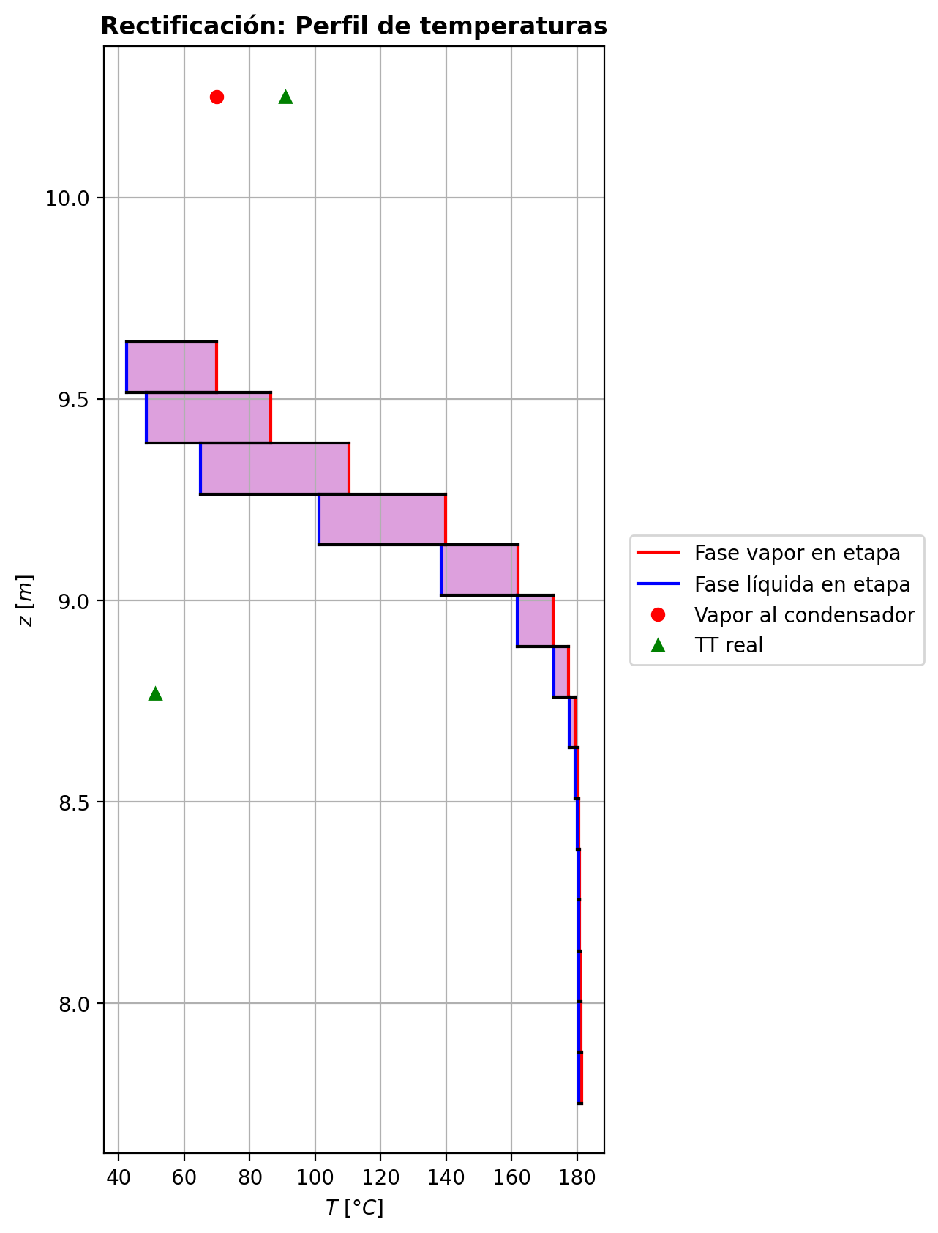
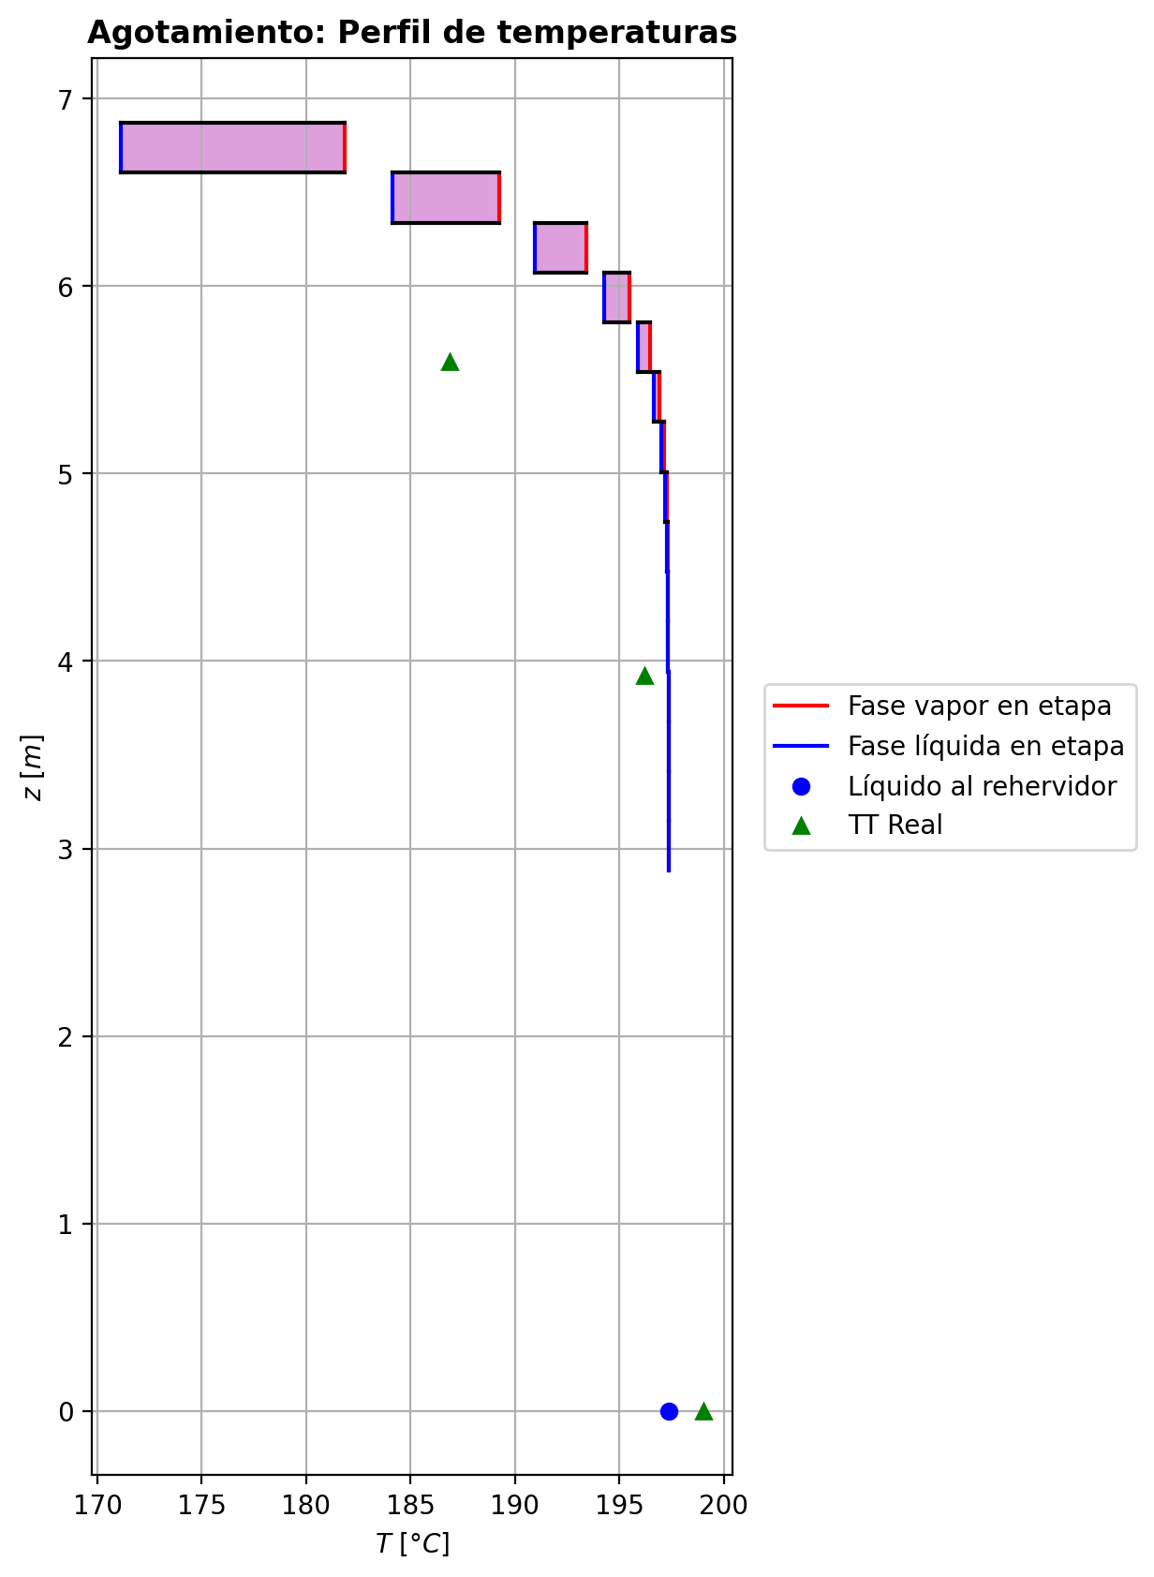
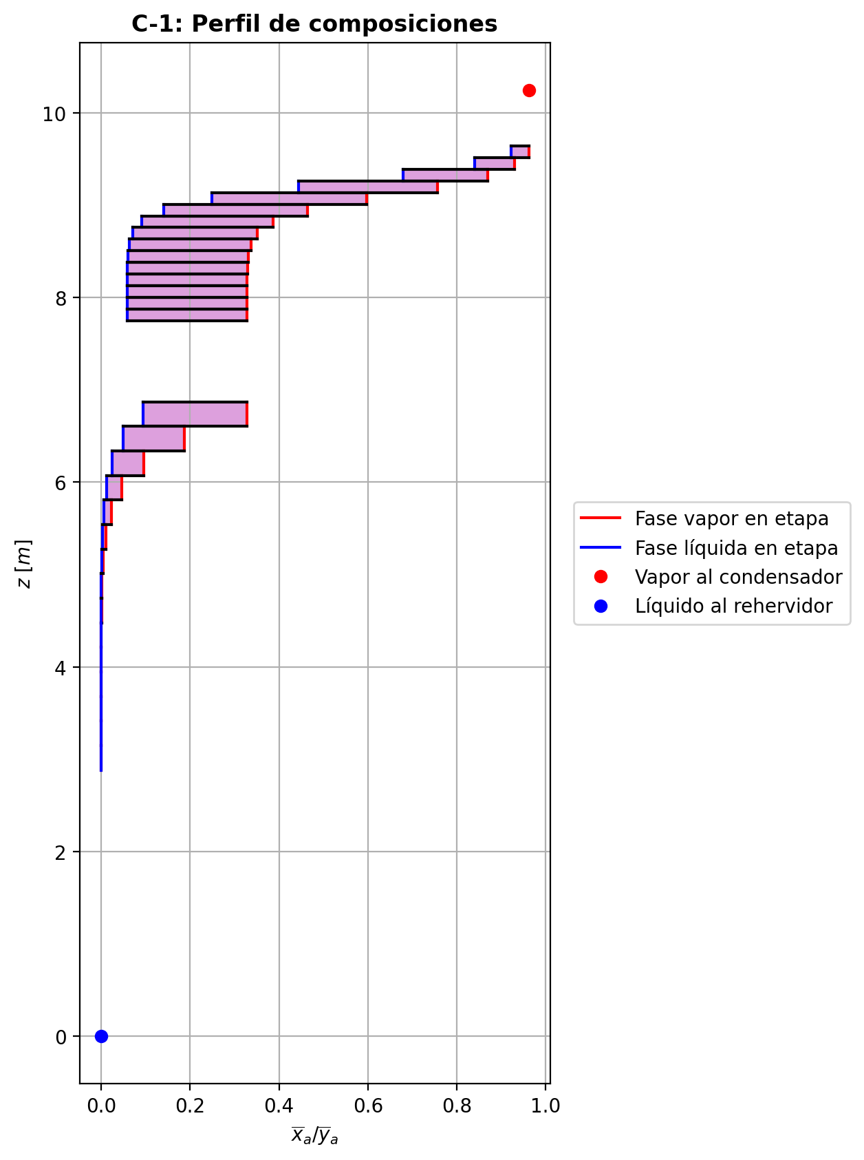
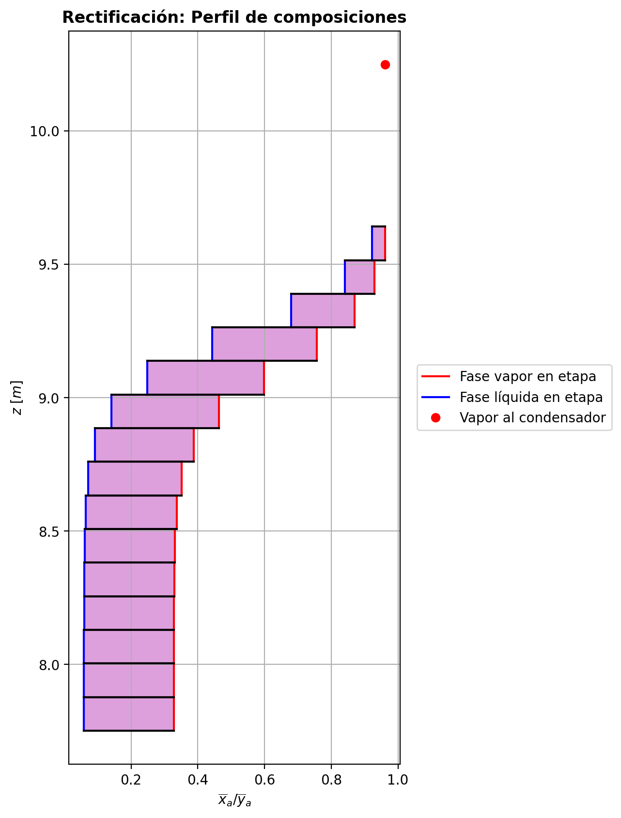
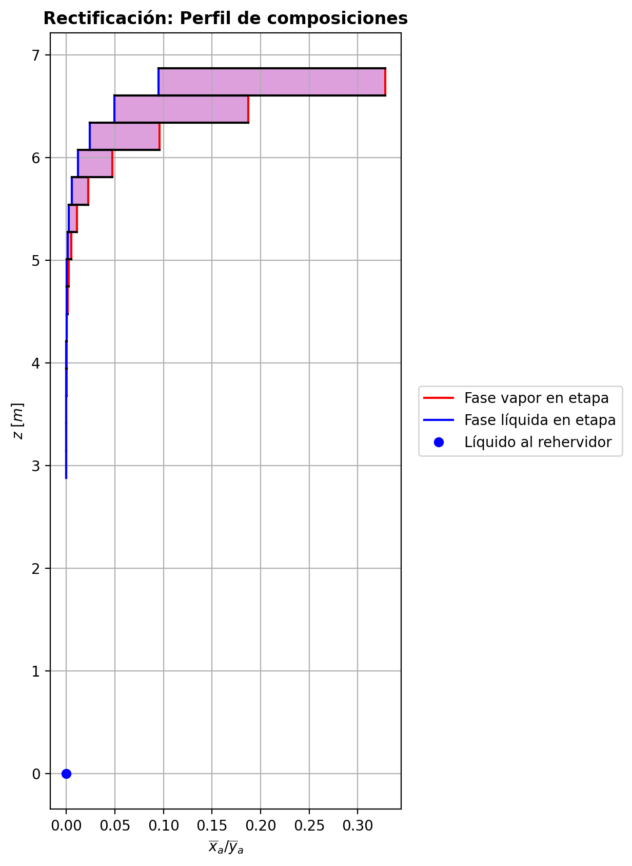
$${\left[N_{t}=N_{a}+N_{w} \right]}_{2}$$
$${\left[N_{t}=N_{a}+N_{w} \right]}_{ps1+ps2−3}$$
$$F_{fría}^{l}+F_{caliente}^{l}=P_{fría}^{l}+P_{caliente}^{l}$$
$${\left[J_{a}^{g}=Γ^{g,b}ρ^{g,b}k_{bm}^{g}a_{ef}A_{tr}Z\left(y_{a}^{b}−y_{a}^{I}\right)\right]}_{2}$$
$${\left(N_{t}\right)}_{2}=V_{3}−V_{2}=L_{2}−{\left(L_{1}−P^{l}\right)}_{E−3}$$
$${\left[J_{a}^{g}=Γ^{g,b}ρ^{g,b}k_{bm}^{g}a_{ef}A_{tr}Z\left(y_{a}^{b}−y_{a}^{I}\right)\right]}_{s}$$
$${\left[N_{t}=N_{a}+N_{w} \right]}_{s}$$
$${\left[J_{a}^{g}=Γ^{g,b}ρ^{g,b}k_{bm}^{g}a_{ef}A_{tr}Z\left(y_{a}^{b}−y_{a}^{I}\right)\right]}_{ps1+ps2−3}$$
Caso | 36 |  |  | Economizador E-1 |  |  |  |  |  |  |  |  | Condensador E-3 (s=1) |  |  |  |  |  |  |  |  | s=2 |  |  |  |  |  |  |  |  |  |  |  |  |  |  | s={3,…,ps1+ps2-4} |  |  |  |  |  |  |  |  |  |  |  |  |  |  |  | s=ps1+ps2-3 |  |  |  |  |  |  |  |  |  |  |  |  |  |  |  |  | Rehervidor E-2 (s=ps1+ps2-2)
ps1 | 17 |  | Representación y balances |  |  |  |  |  |  |  |  |  |  |  |  |  |  |  |  |  |  | Atr [m2] | 0.15904312809 |  |  |  |  |  |  |  |  |  |  |  |  |  | s |  | Atr [m2] | 0.15904312809 |  |  |  |  |  |  |  |  |  |  |  |  | Atr [m2] | 0.15904312809
ps2 | 17 |  |  | Pl [kmol/h]= | 26.6091326 | Fl [kmol/h]= | 34.0032328 | Balance de Masa Total [kmol/h] |  |  |  |  | V2 [kmol/h]= | 37.2123769 |  |  | Balance de Masa Total [kmol/h] |  |  |  |  |  | V2 [kmol/h]= | 37.2123769 |  |  | L1-Pl en E-3 [kmol/h]= | 29.8182767 |  | Balance de Masa Total [kmol/h] |  |  |  |  |  |  |  |  | Vs [kmol/h]= | #VALUE! |  |  | Ls-1 [kmol/h]= | #VALUE! |  | Balance de Masa Total [kmol/h] |  |  |  |  |  |  |  |  | Vps1+ps2-3 [kmol/h]= | 28.7032228 |  |  | Lps1+ps2-4 [kmol/h]= | 55.3123553 |  | Balance de Masa Total [kmol/h] |  |  |  |  |  |  |  | Lps1+ps2-3 [kmol/h]= | 55.3124889 | Vps1+ps2-2 [kmol/h]= | 2.84996301E-11 |  |  | Balance de Masa Total [kmol/h]
$$V_{2}=L_{1}$$
$${\left[J_{a}^{l}=Γ^{l,b}ρ^{l,b}k_{bm}^{l}a_{ef}A_{tr}Z\left(x_{a}^{I}−x_{a}^{b}\right)\right]}_{2}$$
$${\left[J_{a}^{l}=Γ^{l,b}ρ^{l,b}k_{bm}^{l}a_{ef}A_{tr}Z\left(x_{a}^{I}−x_{a}^{b}\right)\right]}_{s}$$
$${\left(N_{t}\right)}_{s}=V_{s+1}−V_{s}=L_{s}−L_{s−1}−F_{s}^{l}$$
$${\left[J_{a}^{l}=Γ^{l,b}ρ^{l,b}k_{bm}^{l}a_{ef}A_{tr}Z\left(x_{a}^{I}−x_{a}^{b}\right)\right]}_{ps1+ps2−3}$$
$${\left(N_{t}\right)}_{ps1+ps2−3}=V_{ps1+ps2−2}−V_{ps1+ps2−3}+F_{ps1+ps2−3}^{g}=L_{ps1+ps2−3}−L_{ps1+ps2−4}−F_{ps1+ps2−3}^{l}$$
$$L_{ps1+ps2−3}=P_{ps1+ps2−2}^{g}+P_{ps1+ps2−2}^{l}+V_{ps1+ps2−2}$$
flowmode1 | MIXED |  |  | T [°C]= | 61.2874111 | T [°C]= | 20 |  |  |  |  |  | T [°C]= | 69.903216 |  |  |  |  |  |  |  |  | T [°C]= | 69.903216 |  |  | T [°C]= | 39.6758735 |  |  |  |  |  |  |  |  |  |  | T [°C]= | #VALUE! |  |  | T [°C]= | #VALUE! |  |  |  |  |  |  |  |  |  |  | T [°C]= | 197.357976 |  |  | T [°C]= | 197.355878 |  |  |  |  |  |  |  |  |  | T [°C]= | 197.357535 | T [°C]= | 197.357534 | Pg [kmol/h]= | 28.7033563
$${\left[Q^{g}=k_{h}^{g}a_{ef}A_{tr}Z\left(T^{g,b}−T^{I}\right)\right]}_{2}$$
$${\left[Q^{g}=k_{h}^{g}a_{ef}A_{tr}Z\left(T^{g,b}−T^{I}\right)\right]}_{s}$$
$${\left[Q^{g}=k_{h}^{g}a_{ef}A_{tr}Z\left(T^{g,b}−T^{I}\right)\right]}_{ps1+ps2−3}$$
$${f_{v}\left(L−P^{l}\right)}_{ps1+ps2−2}=P_{ps1+ps2−2}^{g}$$
flowmode2 | MIXED |  |  | P [bar]= | 14.7037885 | P [bar]= | 18.6326 |  | 60.6123654 | = | 60.6123654 |  | P [bar]= | 14.7038403 |  |  |  | 37.2123769 | = | 37.2123769 |  |  | P [bar]= | 14.7038403 |  |  | P [bar]= | 14.7038403 |  |  | -2.68594902 | = | -2.685949 | = | -2.685949 |  |  |  | P [bar]= | #VALUE! |  |  | P [bar]= | #VALUE! |  |  | #VALUE! | = |  | = | #VALUE! |  |  |  | P [bar]= | 14.7084341 |  |  | P [bar]= | 14.7082174 |  |  |  | 0.000133530776 | = | 0.0001335000285 | = | 0.0001336 |  | P [bar]= | 14.7084341 | P [bar]= | 14.7086507 | T [°C]= | 197.358833
$${\left[Q^{l}=k_{h}^{l}a_{ef}A_{tr}Z\left(T^{I}−T^{l,b}\right)\right]}_{2}$$
$${\left[Q^{l}=k_{h}^{l}a_{ef}A_{tr}Z\left(T^{I}−T^{l,b}\right)\right]}_{s}$$
$${\left[Q^{l}=k_{h}^{l}a_{ef}A_{tr}Z\left(T^{I}−T^{l,b}\right)\right]}_{ps1+ps2−3}$$
simtype | 0 |  |  | xa molar= | 2.82760148E-06 | xa molar= | 0.209145562 |  |  |  |  |  | ya molar= | 0.961787071 |  |  |  |  |  |  |  | z top [m]= | ya molar= | 0.961787071 |  |  | xa molar= | 0.961787071 |  |  |  |  |  |  |  |  |  | z top [m]= | ya molar= | #VALUE! |  |  | xa molar= | #VALUE! |  |  |  |  |  |  |  |  |  | z top [m]= | ya molar= | 1.00925636E-05 |  |  | xa molar= | 6.59759564E-06 |  |  |  |  |  |  |  |  |  | xa molar= | 2.82881493E-06 | ya molar= | 1.7765163E-05 | P [bar]= | 14.7086507 |  |  | 55.3124889 | = | 55.3124889
$${\left(N_{a}\right)}_{ps1+ps2−3}={\left(Vy_{a}\right)}_{ps1+ps2−2}−{\left(Vy_{a}\right)}_{ps1+ps2−3}+{\left(F^{g}y_{a}\right)}_{ps1+ps2−3}={\left(Lx_{a}\right)}_{ps1+ps2−3}−{\left(Lx_{a}\right)}_{ps1+ps2−4}−{\left(F^{l}x_{a}\right)}_{ps1+ps2−3}$$
pborde1 | - |  |  | h [kJ/kmol]= | -283075.982 | h [kJ/kmol]= | -243616.793 | Balance de Masa Amoníaco [kmol/h] |  |  |  |  | h [kJ/kmol]= | -52926.9339 |  |  | Balance de Masa Amoníaco [kmol/h] |  |  |  |  | 9.6416 | h [kJ/kmol]= | -52926.9339 |  |  | h [kJ/kmol]= | -74669.7424 |  | Balance de Masa Amoníaco [kmol/h] |  |  |  |  |  |  |  | #VALUE! | h [kJ/kmol]= | #VALUE! |  |  | h [kJ/kmol]= | #VALUE! |  | Balance de Masa Amoníaco [kmol/h] |  |  |  |  |  |  |  | 3.1466 | h [kJ/kmol]= | -237449.346 |  |  | h [kJ/kmol]= | -272579.746 |  | Balance de Masa Amoníaco [kmol/h] |  |  |  |  |  |  |  | h [kJ/kmol]= | -272580.403 | h [kJ/kmol]= | -237447.872 | ya molar= | 2.82995964E-06 |  |  | 28.703356312 | = | 28.7033563
$${\left(F^{l}x_{a,F}\right)}_{fría}+{\left(F^{l}x_{a,F}\right)}_{caliente}={\left(P^{l}x_{a,P}\right)}_{fría}+{\left(P^{l}x_{a,P}\right)}_{caliente}$$
$${\left(Vy_{a}\right)}_{2}={\left(Lx_{a}\right)}_{1}$$
$${\left(N_{a}\right)}_{2}={\left(Vy_{a}\right)}_{3}−{\left(Vy_{a}\right)}_{2}={\left(Lx_{a}\right)}_{2}−{\left[\left(L_{1}−P^{l}\right)x_{a}\right]}_{E−3}$$
$${\left(N_{a}\right)}_{s}={\left(Vy_{a}\right)}_{s+1}−{\left(Vy_{a}\right)}_{s}={\left(Lx_{a}\right)}_{s}−{\left(Lx_{a}\right)}_{s−1}−{\left(F^{l}x_{a}\right)}_{s}$$
nborde1 | - |  |  |  |  |  |  |  |  |  |  |  |  |  |  |  |  |  |  |  |  |  |  |  | TI [°C]= | 42.6413795 |  |  |  |  |  |  |  |  |  |  | NO APLICA |  |  |  | TI [°C]= | #VALUE! |  |  |  |  |  |  |  |  |  |  | NO APLICA |  |  |  | TI [°C]= | 197.357577 |  |  |  |  |  |  |  |  |  |  |  |  |  |  |  | h [kJ/kmol]= | -237450.77578
$${\left(N_{a}\right)}_{2}={\left(J_{a}^{g}\right)}_{2}+{\left(N_{t}y_{a}^{b}\right)}_{2}={\left(J_{a}^{l}\right)}_{2}+{\left(N_{t}x_{a}^{b}\right)}_{2}$$
$${\left(N_{a}\right)}_{s}={\left(J_{a}^{g}\right)}_{s}+{\left(N_{t}y_{a}^{b}\right)}_{s}={\left(J_{a}^{l}\right)}_{s}+{\left(N_{t}x_{a}^{b}\right)}_{s}$$
$${\left(N_{a}\right)}_{ps1+ps2−3}={\left(J_{a}^{g}\right)}_{ps1+ps2−3}+{\left(N_{t}y_{a}^{b}\right)}_{ps1+ps2−3}={\left(J_{a}^{l}\right)}_{ps1+ps2−3}+{\left(N_{t}x_{a}^{b}\right)}_{ps1+ps2−3}$$
pborde2 | - |  |  |  |  |  |  |  | 7.1117004738 | = | 7.1117004738 |  |  |  |  |  |  | 35.790382984 | = | 35.790382984 |  |  | V2b [kmol/h]= | 37.2123769 | yaI molar= | 0.999757784 | L2b [kmol/h]= | 27.1323277 |  |  |  |  |  |  |  |  | Fl Alimentación [kmol/h]= | #VALUE! | Vsb [kmol/h]= | #VALUE! | yaI molar= | #VALUE! | Lsb [kmol/h]= | #VALUE! |  |  |  |  |  |  |  |  | Fl Alimentación [kmol/h]= | - | Vps1+ps2-3b [kmol/h]= | 28.7032228 | yaI molar= | 1.55467901E-05 | Lps1+ps2-3b [kmol/h]= | 55.3124889 |  |  |  |  |  |  |  |  |  |  |  |  |  |  |  | Balance de Masa Amoníaco [kmol/h]
$${\left(Lx_{a}\right)}_{ps1+ps2−3}={\left(P^{g}y_{a}\right)}_{ps1+ps2−2}+{\left(P^{l}y_{a}\right)}_{ps1+ps2−2}+{\left(Vy_{a}\right)}_{ps1+ps2−2}$$
nborde2 | - |  |  | Q̇ [kJ/h]= |  |  |  |  |  |  |  |  | Q̇ [kJ/h]= |  |  |  |  |  |  |  |  |  | Tg,b [°C]= | 69.903216 | xaI molar= | 0.9011977 | Tl,b [°C]= | 42.4798668 |  |  | -3.67451592 | = | -3.6745158751 | = | -3.6745158839 |  | T [°C]= | #VALUE! | Tg,b [°C]= | #VALUE! | xaI molar= | #VALUE! | Tl,b [°C]= | #VALUE! |  |  | #VALUE! | = |  | = | #VALUE! |  | T [°C]= | - | Tg,b [°C]= | 197.357976 | xaI molar= | 2.4744903E-06 | Tl,b [°C]= | 197.357535 |  |  |  | -0.00020845976 | = | -0.00020845976177 | = | -0.00020845975975
$$\dot{Q}={{\left(P^{l}h_{P}\right)}_{fría}−\left(F^{l}h_{F}\right)}_{fría}$$
$${\left[\left(L−P^{l}\right)x_{a}\right]}_{ps1+ps2−2}={\left(P^{g}y_{a}\right)}_{ps1+ps2−2}+{\left[\left(L−P^{l}−P^{g}\right)x_{a}\right]}_{ps1+ps2−2}$$
Molar RR | 4.03271202 |  |  | 279278.261 |  |  |  | Balance de Energía [kJ/h] |  |  |  |  | 809101.588 |  |  |  | Balance de Energía [kJ/h] |  |  |  |  |  | P [bar]= | 14.7038403 | Na [kmol/h]= | -3.67451592 | P [bar]= | 14.7038403 |  |  | -3.67451592 | = | -3.67451592 | = | -3.67451592 |  | P [bar]= | #VALUE! | P [bar]= | #VALUE! | Na [kmol/h]= | #VALUE! | P [bar]= | #VALUE! |  |  | #VALUE! | = | #VALUE! | = | #VALUE! |  | P [bar]= | - | P [bar]= | 14.7084341 | Na [kmol/h]= | -0.00020845976 | P [bar]= | 14.7084341 |  |  |  | -0.00020845976 | = | -0.00020845976 | = | -0.00020845976 |  |  |  | Lps1+ps2-2-Pl-Pg [kmol/h]= | 0.0287321
$$\dot{Q}={\left(Vh\right)}_{2}−{\left(Lh\right)}_{1}$$
Molar BR | 1.07870319 |  |  |  |  |  |  |  |  |  |  |  |  |  |  |  |  |  |  |  |  |  | yab molar= | 0.961787071 | Nw [kmol/h]= | 0.9885669 | xab molar= | 0.921569185 |  |  |  |  |  |  |  |  | xa molar= | #VALUE! | yab molar= | #VALUE! | Nw [kmol/h]= | #VALUE! | xab molar= | #VALUE! |  |  |  |  |  |  |  |  | xa molar= | - | yab molar= | 1.00925636E-05 | Nw [kmol/h]= | 0.000341990536 | xab molar= | 2.82881493E-06 |  |  |  |  |  |  |  |  |  |  |  | T [°C]= | 197.358833 |  |  |  |  | 0.00015646879442 | = | 0.00015646936258
$$\dot{Q}={\left(F^{l}h_{F}\right)}_{caliente}−{\left(P^{l}h_{P}\right)}_{caliente}$$
$$E_{ps1+ps2−3}={\left(Vh\right)}_{ps1+ps2−2}−{\left(Vh\right)}_{ps1+ps2−3}+{\left(F^{g}h\right)}_{ps1+ps2−3}={\left(Lh\right)}_{ps1+ps2−3}−{\left(Lh\right)}_{ps1+ps2−4}−{\left(F^{l}h\right)}_{ps1+ps2−3}$$
Molar fv Reboiler | 0.999 |  |  |  |  |  |  |  |  |  |  |  | L1 [kmol/h]= | 37.2123769 |  |  |  | 809101.588 | = | 809101.58477 |  |  |  |  | Nt [kmol/h]= | -2.68594902 |  |  |  | Balance de Energía [kJ/h] |  |  |  |  |  |  | h [kJ/kmol]= | #VALUE! |  |  | Nt [kmol/h]= | #VALUE! |  |  |  | Balance de Energía [kJ/h] |  |  |  |  |  |  | h [kJ/kmol]= | - |  |  | Nt [kmol/h]= | 0.000133530776 |  |  |  | Balance de Energía [kJ/h] |  |  |  |  |  |  |  |  |  | P [bar]= | 14.7086507 |  |  |  |  | 8.1242281679E-05 | = | 8.124228164E-05
$$E_{2}={\left(Vh\right)}_{3}−{\left(Vh\right)}_{2}={\left(Lh\right)}_{2}−{\left[\left(L_{1}−P^{l}\right)h\right]}_{E−3}$$
$$E_{s}={\left(Vh\right)}_{s+1}−{\left(Vh\right)}_{s}={\left(Lh\right)}_{s}−{\left(Lh\right)}_{s−1}−{\left(F^{l}h\right)}_{s}$$
$$E_{ps1+ps2−3}={\left(Q^{g}\right)}_{ps1+ps2−3}+{\left(ΣN_{i}{\hat{h}}_{i}^{g,b}\right)}_{ps1+ps2−3}={\left(Q^{l}\right)}_{ps1+ps2−3}+{\left(ΣN_{i}{\hat{h}}_{i}^{l,b}\right)}_{ps1+ps2−3}$$
Mass xa Distillate | 0.959666687 |  |  | Fl=Pl en E-2 [kmol/h]= | 26.6091326 | Pl=Fl Alimentación [kmol/h]= | 34.0032328 |  | 279278.261 | = | 279278.27591 |  | T [°C]= | 39.6758735 |  |  |  |  |  |  |  |  |  |  | E [kJ/h]= | -47584.1157 |  |  |  |  |  |  |  |  |  |  |  |  |  |  | E [kJ/h]= | #VALUE! |  |  |  |  |  |  |  |  |  |  |  |  |  |  | E [kJ/h]= | -72.7247117 |  |  |  |  |  |  |  |  |  |  |  |  |  | xa molar= | 4.50429242E-07
$$E_{2}={\left(Q^{g}\right)}_{2}+{\left(ΣN_{i}{\hat{h}}_{i}^{g,b}\right)}_{2}={\left(Q^{l}\right)}_{2}+{\left(ΣN_{i}{\hat{h}}_{i}^{l,b}\right)}_{2}$$
$$E_{s}={\left(Q^{g}\right)}_{s}+{\left(ΣN_{i}{\hat{h}}_{i}^{g,b}\right)}_{s}={\left(Q^{l}\right)}_{s}+{\left(ΣN_{i}{\hat{h}}_{i}^{l,b}\right)}_{s}$$
Mass xa Bottoms | 2.67304444E-06 |  |  | T [°C]= | 197.357534 | T [°C]= | 117.001894 |  | 279278.261 | = | 279278.25332 |  | P [bar]= | 14.7038403 |  |  | Relación |  |  |  |  | z lower [m]= | V3 [kmol/h]= | 34.5264279 |  |  | L2 [kmol/h]= | 27.1323277 |  |  |  |  |  |  |  |  |  | z lower [m]= | Vs+1 [kmol/h]= |  |  |  | Ls [kmol/h]= | #VALUE! |  |  |  |  |  |  |  |  |  | z lower [m]= | Vps1+ps2-2 [kmol/h]= | 2.84996301E-11 | Fg=Pg en E-2 [kmol/h]= | 28.7033563 | Lps1+ps2-3 [kmol/h]= | 55.3124889 |  |  |  |  |  |  |  |  |  |  |  | h [kJ/kmol]= | -272580.79748 |  | Q̇ [kJ/h]= | Balance de Energía [kJ/h]
$$RR=\frac{L_{1}−{\left(P^{l}\right)}_{1}}{{\left(P^{l}\right)}_{1}}$$
$${\left(Lh\right)}_{ps1+ps2−3}={\left(P^{g}h\right)}_{ps1+ps2−2}+{\left(P^{l}h\right)}_{ps1+ps2−2}+{\left(Vh\right)}_{ps1+ps2−2}−\dot{Q}$$
 |  |  |  | P [bar]= | 14.7086507 | P [bar]= | 18.6222612 |  |  |  |  |  | xa molar= | 0.961787071 |  |  |  |  |  |  |  | 9.5156 | T [°C]= | 86.3555099 |  |  | T [°C]= | 42.4798668 |  |  | -47584.1157 | = | -47584.115774 | = | -47584.116863 |  |  | #VALUE! | T [°C]= |  |  |  | T [°C]= | #VALUE! |  |  | #VALUE! | = |  | = | #VALUE! |  |  | 2.8806 | T [°C]= | 197.357534 | T [°C]= | 197.358833 | T [°C]= | 197.357535 |  |  |  | -72.7247117 | = | -72.73891623 | = | -72.756959273 |  |  |  |  |  |  | 1008338.21
$$\dot{Q}={\left(P^{g}h\right)}_{ps1+ps2−2}−{\left[\left(L−P^{l}\right)h\right]}_{ps1+ps2−2}+{\left[\left(L−P^{l}−P^{g}\right)h\right]}_{ps1+ps2−2}$$
 |  |  |  | xa molar= | 2.82760148E-06 | xa molar= | 0.209145562 |  |  |  |  |  | h [kJ/kmol]= | -74669.7424 |  |  |  | 4.03271202 | = | 4.0327120127 |  |  | P [bar]= | 14.703971 |  |  | P [bar]= | 14.7038403 |  |  | -47584.1157 | = | -47584.1158 | = | -47584.11572 |  |  |  | P [bar]= |  |  |  | P [bar]= | #VALUE! |  |  | #VALUE! | = | #VALUE! | = | #VALUE! |  |  |  | P [bar]= | 14.7086507 | P [bar]= | 14.7086507 | P [bar]= | 14.7084341 |  |  |  | -72.7247117 | = | -72.724711667 | = | -72.72471165
 |  |  |  | h [kJ/kmol]= | -272580.403 | h [kJ/kmol]= | -235403.507 |  |  |  |  |  |  |  |  |  |  |  |  |  |  | Z [m]= | ya molar= | 0.930182155 |  |  | xa molar= | 0.921569185 |  |  |  |  |  |  |  |  |  | Z [m]= | ya molar= |  |  |  | xa molar= | #VALUE! |  |  |  |  |  |  |  |  |  | Z [m]= | ya molar= | 1.7765163E-05 | ya molar= | 2.82995964E-06 | xa molar= | 2.82881493E-06 |  |  |  |  |  |  |  |  |  |  |  |  |  |  |  |  |  | -15077100.515 | = | -15077100.518
 |  |  |  |  | Caliente | Fría |  |  |  |  |  |  | L1-Pl [kmol/h]= | 29.8182767 | Pl [kmol/h]= | 7.3941002 |  |  |  |  |  | 0.126 | h [kJ/kmol]= | -58422.5259 |  |  | h [kJ/kmol]= | -83815.4095 |  |  |  |  |  |  |  |  |  | #VALUE! | h [kJ/kmol]= |  |  |  | h [kJ/kmol]= | #VALUE! |  |  |  |  |  |  |  |  |  | 0.266 | h [kJ/kmol]= | -237447.872 | h [kJ/kmol]= | -237450.77578 | h [kJ/kmol]= | -272580.403 |  |  |  |  |  |  |  |  |  | Pl [kmol/h]= | 26.6091326 | Lps1+ps2-2-Pl [kmol/h]= | 28.7320884 |  |  |  |  | 1008338.21 | = | 1008338.2126
 |  |  |  |  |  |  |  |  |  |  |  |  | T [°C]= | 39.6758735 | T [°C]= | 39.6758735 |  |  |  |  |  |  |  | Vapor |  |  | Líquido |  |  |  |  |  |  |  |  |  |  |  |  | Vapor |  |  | Líquido |  |  |  |  |  |  |  |  |  |  |  |  | Vapor |  |  | Líquido |  |  |  |  |  |  |  |  |  |  | T [°C]= | 197.357534 | T [°C]= | 197.357534
$$f_{v}=\frac{P_{ps1+ps2−2}^{g}}{{\left(L−P^{l}\right)}_{ps1+ps2−2}}$$
 |  |  |  |  |  |  |  |  |  |  |  |  | P [bar]= | 14.7038403 | P [bar]= | 14.7038403 |  |  |  |  |  | Transferencia de masa y calor |  |  |  |  |  |  |  |  |  |  |  |  |  |  |  | Transferencia de masa y calor |  |  |  |  |  |  |  |  |  |  |  |  |  |  |  | Transferencia de masa y calor |  |  |  |  |  |  |  |  |  |  |  |  |  |  |  | P [bar]= | 14.7086507 | P [bar]= | 14.7086507 |  |  | Relación
$$BR=\frac{P_{ps1+ps2−2}^{g}}{P_{ps1+ps2−2}^{l}}$$
 |  |  |  |  |  |  |  |  |  |  |  |  | xa molar= | 0.961787071 | xa molar= | 0.961787071 |  |  |  |  |  | Difusión |  | Convección |  | aef [m2/m3] | 513.56943657 | khg [kJ/h·m2·°C] | 95.81360544 |  |  |  |  |  |  |  |  | Difusión |  | Convección |  | aef [m2/m3] | #VALUE! | khg [kJ/h·m2·°C] | #VALUE! |  |  |  |  |  |  |  |  | Difusión |  | Convección |  | aef [m2/m3] | 426.08969756 | khg [kJ/h·m2·°C] | 66.30692652 |  |  |  |  |  |  |  |  | xa molar= | 2.82760148E-06 | xa molar= | 2.82758011E-06
 |  |  |  |  |  |  |  |  |  |  |  |  | h [kJ/kmol]= | -74669.7424 | h [kJ/kmol]= | -74669.7424 |  |  |  |  |  | Jag [kmol/h]= | -1.0912048792 | Ntyab [kmol/h]= | -2.5833110408 | kbmg [m/h] | 4.6105591109 | khl [kJ/h·m2·°C] | 3805.838136 |  |  |  |  |  |  |  |  | Jag [kmol/h]= | #VALUE! | Ntyab [kmol/h]= | #VALUE! | kbmg [m/h] | #VALUE! | khl [kJ/h·m2·°C] | #VALUE! |  |  |  |  |  |  |  |  | Jag [kmol/h]= | -0.00020846110767 | Ntyab [kmol/h]= | 1.3476678493E-09 | kbmg [m/h] | 5.1273301706 | khl [kJ/h·m2·°C] | 9855.442476 |  |  |  |  |  |  |  |  | h [kJ/kmol]= | -272580.403 | h [kJ/kmol]= | -272580.4036
 |  |  |  |  |  |  |  |  |  |  |  |  |  |  |  |  |  |  |  |  |  | Jal [kmol/h]= | -1.1992280707 | Ntxab [kmol/h]= | -2.4752878493 | kbml [m/h] | 0.15057588648 |  |  |  |  |  |  |  |  |  |  | Jal [kmol/h]= | #VALUE! | Ntxab [kmol/h]= | #VALUE! | kbml [m/h] | #VALUE! |  |  |  |  |  |  |  |  |  |  | Jal [kmol/h]= | -0.00020846013773 | Ntxab [kmol/h]= | 3.7773385276E-10 | kbml [m/h] | 0.67761255717 |  |  |  |  |  |  |  |  |  |  |  |  |  |  |  |  |  |  | 1.07870319 | = | 1.0787031931
 |  |  |  |  |  |  |  |  |  |  |  |  | Nota: En lo exportado de Aspen Plus, deben ser iguales las propiedades en la salida líquida (al ser un divisor). Se usan promedios en T, P, xa y h en L1-Pl para validarlo. |  |  |  |  |  |  |  |  | Qg [kJ/h]= | 26882.3303 | ΣNiĥig,b [kJ/h]= | -74466.4461 | Γg,b | 1.049022449 |  |  |  |  |  |  |  |  |  |  | Qg [kJ/h]= | #VALUE! | ΣNiĥig,b [kJ/h]= | #VALUE! | Γg,b | #VALUE! |  |  |  |  |  |  |  |  |  |  | Qg [kJ/h]= | 0.476455533 | ΣNiĥig,b [kJ/h]= | -73.2011672 | Γg,b | 0.99999825641 |  |  |  |  |  |  |  |  |  |  | Q̇ [kJ/h] mediante la suposición de estado cuasi-estacionario del aceite térmico= |  |  |  |  | 1069498.7298 |  |  | 0.999 | = | 0.9989999996
$$\dot{Q}={\overline{L}}_{t66}\left[{\overline{h}}_{t66}\left(TT−6\right)−{\overline{h}}_{t66}\left(TT−7\right)\right]$$
 |  |  |  |  |  |  |  |  |  |  |  |  |  |  |  |  |  |  |  |  |  | Ql [kJ/h]= | 6326.18038 | ΣNiĥil,b [kJ/h]= | -53910.2961 | Γl,b | 1.0524450599 |  |  |  |  |  |  |  |  |  |  | Ql [kJ/h]= | #VALUE! | ΣNiĥil,b [kJ/h]= | #VALUE! | Γl,b | #VALUE! |  |  |  |  |  |  |  |  |  |  | Ql [kJ/h]= | 7.41314805 | ΣNiĥil,b [kJ/h]= | -80.1378597 | Γl,b | 1.0000055873
 |  |  |  |  |  |  |  |  |  |  |  |  |  |  |  |  |  |  |  |  |  |  |  |  |  |  |  |  |  |  |  |  |  |  |  |  |  |  |  |  |  |  |  |  |  |  |  |  |  |  |  |  |  |  |  |  |  |  |  |  |  |  |  |  |  |  |  |  |  | TT-6 [°C]= | 222.0683 | FIC-1 [m3/h]= | 84.4319
Economizador |  |  |  |  |  |  |  |  |  |  |  |  |  |  |  |  |  |  |  |  |  |  |  |  |  |  |  |  |  |  |  |  |  |  |  |  |  |  |  |  |  |  |  |  |  |  |  |  |  |  |  |  |  |  |  |  |  |  |  |  |  |  |  |  |  |  |  |  |  | TT-7 [°C]= | 215.6764 | FIC-1 [kmol/h]= | 292.59528339
Ubicación | Flujos |  |  |  | Masa |  |  |  | Energía |  |  |  |  |  |  |  |  | Hidráulica
Equipo | Fl Fría [kmol/h] | Pl Fría [kmol/h] | Fl Caliente [kmol/h] | Pl Caliente [kmol/h] | xa molar en Fl Fría | xa molar en Pl Fría | xa molar en Fl Caliente | xa molar en Pl Caliente | Tl en Fl Fría [°C] | Tl en Pl Fría [°C] | Tl en Fl Caliente [°C] | Tl en Pl Caliente [°C] | Q̇ [kJ/h] | hl en Fl Fría [kJ/kmol] | hl en Pl Fría [kJ/kmol] | hl en Fl Caliente [kJ/kmol] | hl en Pl Caliente [kJ/kmol] | P en Fl Fría [bar] | P en Pl Fría [bar] | P en Fl Caliente [bar] | P en Pl Caliente [bar] |  |  |  |  |  |  |  |  |  |  |  |  |  |  |  |  |  |  |  |  |  |  |  |  |  |  |  |  |  |  |  |  |  |  |  |  |  |  |  |  |  |  |  |  |  |  |  |  | Nota: Las propiedades de Lps1+ps2-2-Pl son las de Lps1+ps2-2, las cuales deben ser iguales a las de Pl, pero por la recirculación en Aspen Plus se exportan valores muy cercanos entre sí. Se calcula h de Lps1+ps2-2-Pl mediante Aspen Custom Modeler para validar la esperada simulitud con la de Pl. Por otra parte, se esperaría que se evapore toda la entrada al Rehervidor, es decir, fv≈1 y por lo tanto, la corriente Lps1+ps2-2-Pl-Pg no existiría o tendría poco efecto en la etapa.
Economizador E-1 | 34.0032328 | 34.0032328 | 26.6091326 | 26.6091326 | 0.209145562 | 0.209145562 | 2.82760148E-06 | 2.82760148E-06 | 20 | 117.001894 | 197.357534 | 61.2874111 | 279278.261 | -243616.793 | -235403.507 | -272580.403 | -283075.982 | 18.6326 | 18.6222612 | 14.7086507 | 14.7037885

Condensador y Rehervidor
Ubicación |  |  | Flujos |  |  |  | Masa |  |  |  | Energía |  |  |  |  |  |  |  |  | Hidráulica |  |  |  |  | Retorno de líquido de E-2 al sumidero |  |  |  |  |  | Caída de presión a sumidero |  |  |  |  |  | Nota: AP no está considerando la caída de presión en el sumidero por el nivel del agua. Lo calcula mediante la altura en la última etapa; pero está presión estática si es muy similar calculada con el nivel del agua.
Equipo | s | z [m] | V [kmol/h] | L [kmol/h] | Pg [kmol/h] | Pl [kmol/h] | ya molar en V | xa molar en L | ya molar en Pg | xa molar en Pl | Tg en V [°C] | Tl en L [°C] | Tg en Pg [°C] | Tl en Pl [°C] | Q̇ [kJ/h] | hg en V [kJ/kmol] | hl en L [kJ/kmol] | hg en Pg [kJ/kmol] | hl en Pl [kJ/kmol] | P en V [bar] | P en L [bar] | P en Pg [bar] | P en Pl [bar] |  | Flujo molar [kmol/h] | xa molar | Tl [°C] | hl [kJ/kmol] | P [bar] |  | z [m] | ρl [kg/m3] | ΔP [bar] AP | P estática [bar] cal | P estática [bar] AP
$$We=\frac{ρU_{sp}^{2}}{a_{p}σ}$$
Condensador E-3 | 1 | 10.2497 | - | 37.2123769 | - | 7.3941002 | - | 0.961787071 | - | 0.961787071 | - | 39.6758735 | - | 39.6758735 | -809101.588 | - | -74669.7424 | - | -74669.7424 | - | 14.7038403 | - | 14.7038403 |  | 0.0287321 | 4.50429242E-07 | 197.358833 | -272580.79748 | 14.7086507 |  | 1.44423282 | 867.723153 | 0.0002166 | 0.12289637453 | Ver AP - Nota ❤️ | → | Nota ❤️: En Tab: "C-1 Column Internals INT-1 - Column Hydraulic Results" y valor en "Pressure drop across sump"
$$d_{h}=\frac{4ε}{a_{p}}$$
$$U_{sp}^{g}=\frac{V}{ρA_{tr}}$$
$$U_{sp}^{l}=\frac{L}{ρA_{tr}}$$
$$Sc=\frac{μ}{ρD_{bm}}$$
$$Re=\frac{ρU_{sp}}{a_{p}μ}$$
$$Re=\frac{d_{h}ρU_{sp}}{μ}$$
$$We=\frac{d_{h}ρU_{sp}^{2}}{σ}$$
$$Fr=\frac{a_{p}U_{sp}^{2}}{g_{c}}$$
$$Fr=\frac{U_{sp}^{2}}{g_{c}d_{h}}$$
Rehervidor E-2 | 32 | 0 | 2.84996301E-11 | 55.341221 | 28.7033563 | 26.6091326 | 1.7765163E-05 | 2.82758011E-06 | 2.82995964E-06 | 2.82760148E-06 | 197.357534 | 197.357534 | 197.358833 | 197.357534 | 1008338.21 | -237447.872 | -272580.4036 | -237450.77578 | -272580.403 | 14.7086507 | 14.7086507 | 14.7086507 | 14.7086507
 |  |  |  |  |  |  |  |  |  |  |  |  |  |  |  |  |  |  |  |  |  |  |  |  |  |  |  |  |  |  |  |  |  |  |  |  |  |  |  |  |  |  |  |  |  |  |  |  |  |  |  |  |  |  |  |  |  |  | Atr [m2] | 0.15904312809 | ε | 0.982 | ap [m2/m3] | 353 | θ [rad] | 0.7853981634 | gc [m/s2] | 9.80665 | dh [m] | 0.011127478754
Etapas |  |  |  |  |  |  |  |  |  |  |  |  |  |  |  |  |  |  |  |  |  |  |  |  |  |  |  |  |  |  |  |  |  |  |  |  |  |  |  |  |  |  |  |  |  |  |  |  |  |  |  |  | Real | Simulación T [°C] |  | Ubicación |  |  | Propiedades de bulk comprobadas en ACM
Ubicación de etapa |  |  |  | Flujos (cumplir balances de matería y energía ME) |  |  |  |  |  | Área R | Transferencia de masa RM |  |  |  |  |  |  |  |  |  |  |  |  |  |  |  |  |  |  | Transferencia de energía RE, cumplir equilibrio Q |  |  |  |  |  |  |  |  |  |  |  |  |  |  |  |  |  | Hidráulica H |  |  |  |  |  | g | l | Etapa | Posición [m] |  | Primarias |  |  |  |  |  |  |  |  |  |  |  |  |  |  | Secundarias |  |  |  |  |  |  |  |  |  |  |  |  |  | Ecs. R |  |  |  |  |  | Aproximaciones propuestas ACM |  |  |  |  |  |  |  |  | Ecs. H ACM | Transferencia de ME e interfase
Zona | s | z top [m] | z lower [m] | Fg [kmol/h] | Fl [kmol/h] | V [kmol/h] | L [kmol/h] | Vb [kmol/h] | Lb [kmol/h] | aefAtrZ [m2] | ya molar en Fg | xa molar en Fl | ya molar en V | yab molar | yaI molar | xaI molar | xab molar | xa molar en L | kbmg [m/h] | kbml [m/h] | Na [kmol/h] | Nw [kmol/h] | Nt [kmol/h] | Jag [kmol/h] | Γg,b≈1 | Ntyab [kmol/h] | Jal [kmol/h] | Γl,b | Ntxab [kmol/h] | Tg en Fg [°C] | Tl en Fl [°C] | Tg [°C] | Tg,b [°C] | TI [°C] | Tl,b [°C] | Tl [°C] | khg [kJ/h·m2·°C] | khl [kJ/h·m2·°C] | E [kJ/h] | Qg [kJ/h] | ΣNiĥig,b [kJ/h] | Ql [kJ/h] | ΣNiĥil,b [kJ/h] | hg en Fg [kJ/kmol] | hl en Fl [kJ/kmol] | hg en V [kJ/kmol] | hl en L [kJ/kmol] | P en Fg [bar] | P en Fl [bar] | P [bar] |  | TT1 [°C] | 199.0349 | - | 197.357534 | 32 | 10.2497 |  | ρg,b [kmol/m3] AP | ρl,b [kmol/m3] AP | ρg,b [kmol/m3] ACM | ρl,b [kmol/m3] ACM | Dbmg,b [m2/h] AP | Dbml,b [m2/h] AP | Dbmg,b [m2/h] ACM | Dbml,b [m2/h] ACM | Cpg,b [kJ/kmol·K] ACM | Cpl,b [kJ/kmol·K] ACM | κg,b [kJ/h·m·K] ACM | κl,b [kJ/h·m·K] ACM | μg,b [kg/h·m] ACM | μl,b [kg/h·m] ACM | σl,b [kg/h2] ACM | Uspg [m/h] ACM | Uspl [m/h] ACM | Scg AP | Scl AP | Scg ACM | Scl ACM | 4εReg AP | 4εRel AP | Reg ACM | Rel ACM | 4εWel AP | Wel ACM | Frl/(4ε) AP | Frl ACM | kbmg [m/h] ACM | kbml [m/h] ACM | khg [kJ/h·m2·°C] ACM | khl [kJ/h·m2·°C] ACM | aef [m2/m3] AP | aef [m2/m3] ACM | ug,b [kJ/kmol] | ul,b [kJ/kmol] | Γl,b | ĥag,b [kJ/kmol] | ĥwg,b [kJ/kmol] | ĥal,b [kJ/kmol] | ĥwl,b [kJ/kmol] | ΣNiĥig,b [kJ/h] | ΣNiĥil,b [kJ/h] | ΔP [bar] | Na [kmol/h] | Nt [kmol/h] | E [kJ/h] | yaI molar | xaI molar | TI [°C]
Rectificación | 2 | 9.6416 | 9.5156 | - | - | 37.2123769 | 27.1323277 | 37.2123769 | 27.1323277 | 10.2916409 | - | - | 0.961787071 | 0.961787071 | 0.999757784 | 0.9011977 | 0.921569185 | 0.921569185 | 4.6105591109 | 0.15057588648 | -3.67451592 | 0.9885669 | -2.68594902 | -1.0912048792 | 1.049022449 | -2.5833110408 | -1.1992280707 | 1.0524450599 | -2.4752878493 | - | - | 69.903216 | 69.903216 | 42.6413795 | 42.4798668 | 42.4798668 | 95.81360544 | 3805.838136 | -47584.1157 | 26882.3303 | -74466.4461 | 6326.18038 | -53910.2961 | - | - | -52926.9339 | -83815.4095 | - | - | 14.7038403 |  | TT2 [°C] | 196.2239 | 197.351792 | 197.348231 | 28 | 8.7696 |  | 0.577343853 | 36.094382 | 0.57734387045 | 36.094382532 | 0.006753892464 | 2.2229132328E-05 | 0.0067538921944 | 2.2229130523E-05 | 49.715825571 | 84.890776309 | 0.11942628409 | 1.6136702273 | 0.042225188181 | 0.45760702873 | 279760.99432 | 405.26424807 | 4.7264261655 | 0.634447179 | 33.3377716 | 0.63444717226 | 33.337775873 | 1052.4103702 | 70.969252341 | 1052.4112356 | 70.969305158 | 0.00054866630417 | 0.00054866714492 | 1.5790442006E-05 | 1.5795861057E-05 | 4.6105627217 | 0.15057599307 | 95.813683447 | 3805.841086 | 513.56943657 | 511.26371151 | -55473.74235 | -83856.147256 | 1.0600996661 | -45301.986888 | -244840.40461 | -65552.100333 | -298410.95466 | -75578.24775 | -54126.956108 | 1.5408501917E-05 | -3.5888967535 | -2.6545582241 | -39365.019252 | 0.99976643482 | 0.90221395155 | 42.587377646
Rectificación | 3 | 9.5156 | 9.3896 | - | - | 34.5264279 | 23.4894322 | 34.5264279 | 23.4894322 | 10.3056321 | - | - | 0.930182155 | 0.930182155 | 0.999226022 | 0.803005146 | 0.84078194 | 0.84078194 | 4.4975608265 | 0.12451758052 | -5.25482674 | 1.61193126 | -3.64289548 | -1.866270372 | 1.0722545553 | -3.388556368 | -2.1919460111 | 1.1926228771 | -3.0628807289 | - | - | 86.3555099 | 86.3555099 | 48.7071034 | 48.3654263 | 48.3654263 | 85.7135682 | 3156.6854736 | -123115.804 | 33256.061 | -156371.865 | 11115.316 | -134231.12 | - | - | -58422.5259 | -102055.381 | - | - | 14.703971 |  | TT3 [°C] | 186.8522 | 196.944272 | 196.659798 | 22 | 5.5946 |  | 0.543875974 | 37.9137124 | 0.54387598669 | 37.913712925 | 0.007443871668 | 2.28884112E-05 | 0.007443871416 | 2.2888409275E-05 | 47.833162024 | 87.293065811 | 0.12142082586 | 1.6059372955 | 0.044559059246 | 0.49475208463 | 318035.7619 | 399.15098495 | 3.8954859506 | 0.643663167 | 33.1716326 | 0.64366316205 | 33.171637053 | 926.99225265 | 57.092042352 | 926.9930156 | 57.092084586 | 0.00034597805146 | 0.00034597858506 | 1.0726346334E-05 | 1.0730027472E-05 | 4.4975643765 | 0.12451766813 | 85.713637634 | 3156.6879268 | 514.26761996 | 511.98974017 | -61126.078315 | -102094.16454 | 1.1915118332 | -44531.147732 | -243497.16309 | -65240.286683 | -296464.65365 | -158497.22305 | -135054.23972 | 1.4035756512E-05 | -5.0967448161 | -3.615970482 | -100357.57293 | 0.99924325074 | 0.80514854952 | 48.55459113
Rectificación | 4 | 9.3896 | 9.2636 | - | - | 30.8835324 | 19.5903368 | 30.8835324 | 19.5903368 | 10.2850383 | - | - | 0.869752851 | 0.869752851 | 0.995230152 | 0.624121315 | 0.679201871 | 0.679201871 | 4.3194565623 | 0.10625189594 | -6.44369696 | 2.54460157 | -3.89909539 | -3.0524476282 | 1.0871222794 | -3.3912493318 | -3.7954240759 | 1.535050723 | -2.6482728841 | - | - | 110.334376 | 110.334376 | 65.8444608 | 65.0103932 | 65.0103932 | 75.8841804 | 2500.750476 | -298062.691 | 34723.1201 | -332785.811 | 21452.4815 | -319515.173 | - | - | -69300.2634 | -137582.405 | - | - | 14.704094 |  | TT4 [°C] | 51.0726 | 179.40643 | 177.570033 | 9 | 3.9246 |  | 0.503697311 | 41.0768054 | 0.5036973234 | 41.076805814 | 0.008512877232 | 2.6502898572E-05 | 0.0085128769207 | 2.650289626E-05 | 46.389835084 | 90.258153699 | 0.12967711396 | 1.5716373493 | 0.047760871103 | 0.53673783535 | 382771.41409 | 385.51631856 | 2.9986838344 | 0.649140794 | 28.4224413 | 0.64914079037 | 28.422445448 | 776.28988582 | 44.296799963 | 776.29052502 | 44.29683264 | 0.00018626248444 | 0.0001862627738 | 6.35608778E-06 | 6.3582691217E-06 | 4.3194599557 | 0.1062519699 | 75.884241488 | 2500.7524158 | 513.23995621 | 510.96881938 | -72219.495801 | -137618.20198 | 1.5006744263 | -43455.773325 | -241882.30753 | -64921.378017 | -291422.16094 | -335478.26502 | -323219.60209 | 1.2236095482E-05 | -6.2204505958 | -3.9352624484 | -247653.3485 | 0.99533546196 | 0.62630419473 | 65.575128548
Rectificación | 5 | 9.2636 | 9.1376 | - | - | 26.984437 | 17.4623502 | 26.984437 | 17.4623502 | 10.0689581 | - | - | 0.756634033 | 0.756634033 | 0.952225703 | 0.393008418 | 0.443570567 | 0.443570567 | 4.0929419978 | 0.12661931095 | -5.56000887 | 3.4320222 | -2.12798667 | -3.9499017337 | 1.0556172437 | -1.6101071363 | -4.6160966162 | 1.6249279291 | -0.94391225378 | - | - | 139.919057 | 139.919057 | 102.908609 | 101.129345 | 101.129345 | 65.54150352 | 2224.1106828 | -564444.906 | 24424.4771 | -588869.383 | 39845.6888 | -604290.595 | - | - | -90359.4772 | -186671.927 | - | - | 14.7042077 |  | TT5 [°C] | 90.9715 | 69.903216 | - | 1 | 0 |  | 0.46420449 | 44.0687552 | 0.46420449864 | 44.06875563 | 0.009935014896 | 3.989285136E-05 | 0.0099350146156 | 3.9892848164E-05 | 45.695930266 | 89.521831812 | 0.13822808774 | 1.4785972595 | 0.051745742411 | 0.51134484179 | 450389.32465 | 365.50174721 | 2.4914796651 | 0.649679581 | 16.5465133 | 0.64967957825 | 16.546515518 | 630.11257893 | 42.000281801 | 630.11309497 | 42.000312878 | 0.0001188050715 | 0.00011880525856 | 4.3877635692E-06 | 4.389269457E-06 | 4.0929452292 | 0.12661940046 | 65.54155618 | 2224.1124303 | 502.45720663 | 500.18374746 | -93527.091605 | -186705.29425 | 1.6401917198 | -42167.889074 | -240188.95548 | -65443.059336 | -283312.31859 | -589879.99013 | -608470.17655 | 1.0675299283E-05 | -5.5297681804 | -2.3662640567 | -502127.53191 | 0.95298757694 | 0.39473305981 | 102.57585259
Rectificación | 6 | 9.1376 | 9.0116 | - | - | 24.8564504 | 17.1141941 | 24.8564504 | 17.1141941 | 9.82970154 | - | - | 0.597725513 | 0.597725513 | 0.784982365 | 0.215430597 | 0.24895656 | 0.24895656 | 3.9935456342 | 0.17085167476 | -3.48509367 | 3.13693763 | -0.34815604 | -3.2769919224 | 1.0100472694 | -0.20810174761 | -3.3984179399 | 1.3229262958 | -0.086675730062 | - | - | 161.907649 | 161.907649 | 140.541234 | 138.469101 | 138.469101 | 59.36823144 | 2281.7233836 | -593841.867 | 12468.8412 | -606310.709 | 46475.168 | -640317.035 | - | - | -120803.433 | -225168.208 | - | - | 14.7043129 |  |  |  |  |  |  |  |  | 0.441364065 | 45.6247298 | 0.44136407432 | 45.624730265 | 0.01106542368 | 5.936863932E-05 | 0.01106542335 | 5.9368635086E-05 | 45.730293283 | 86.840362923 | 0.14117596157 | 1.4556660611 | 0.054708103087 | 0.46800649371 | 493236.65506 | 354.10134029 | 2.3585309743 | 0.642793972 | 9.72308112 | 0.64279396877 | 9.7230822817 | 553.9673405 | 45.464980486 | 553.96779402 | 45.46501435 | 0.0001017453967 | 0.00010174555658 | 3.9319835794E-06 | 3.9333330153E-06 | 3.9935487886 | 0.17085179661 | 59.368279553 | 2281.7251254 | 490.51791941 | 488.28381646 | -124134.99383 | -225200.43755 | 1.3465600629 | -41228.99818 | -239040.28707 | -65985.71343 | -277934.1665 | -606167.55102 | -641895.75337 | 1.0047571759E-05 | -3.5173360993 | -0.46238191519 | -572775.3197 | 0.78563992028 | 0.21583126435 | 140.44911944
Rectificación | 7 | 9.0116 | 8.8856 | - | - | 24.5082943 | 17.2422212 | 24.5082943 | 17.2422212 | 9.76722877 | - | - | 0.464016007 | 0.464016007 | 0.574815652 | 0.12299726 | 0.140983774 | 0.140983774 | 4.0544375409 | 0.19418091496 | -1.82981748 | 1.95784458 | 0.1280271 | -1.8892241037 | 0.99625975713 | 0.05940662373 | -1.8478672237 | 1.1690809274 | 0.018049743732 | - | - | 172.751251 | 172.751251 | 163.055819 | 161.760779 | 161.760779 | 57.63388932 | 2563.0019208 | -386979.853 | 5457.78565 | -392437.638 | 32419.2858 | -419399.139 | - | - | -146749.763 | -245940.023 | - | - | 14.7044137 |  |  |  | Rectificación | Agotamiento |  | Simbología |  | 0.432185853 | 46.3341589 | 0.43218586181 | 46.334159299 | 0.011645753544 | 7.09451946E-05 | 0.011645753205 | 7.0945190578E-05 | 45.969832356 | 84.539855968 | 0.140028627 | 1.7189180494 | 0.056109499773 | 0.46594236757 | 511114.52546 | 356.5561831 | 2.3397926141 | 0.634913347 | 7.92914986 | 0.63491334334 | 7.9291505771 | 536.58972709 | 46.283285799 | 536.5901659 | 46.283321088 | 9.8722279842E-05 | 9.8722435031E-05 | 3.8697531059E-06 | 3.8710811949E-06 | 4.0544407221 | 0.19418105757 | 57.633935901 | 2563.0039012 | 487.40042769 | 485.20963922 | -150152.09946 | -245971.75869 | 1.1769881137 | -40767.919634 | -238501.14591 | -65484.895591 | -275556.74529 | -392350.32388 | -419671.87362 | 1.0176446137E-05 | -1.8357461976 | 0.11251336056 | -384388.87973 | 0.57482510481 | 0.12300109156 | 163.05501516
Rectificación | 8 | 8.8856 | 8.7596 | - | - | 24.6363214 | 17.3464549 | 24.6363214 | 17.3464549 | 9.79329166 | - | - | 0.387331502 | 0.387331502 | 0.437838442 | 0.084027447 | 0.0921312499 | 0.0921312499 | 4.1309820209 | 0.2023149255 | -0.832722842 | 0.936956548 | 0.104233706 | -0.8730958399 | 0.99699419253 | 0.040372997904 | -0.84232602362 | 1.1213452751 | 0.0096031816155 | - | - | 177.471069 | 177.471069 | 173.513519 | 172.912621 | 172.912621 | 57.42729612 | 2716.016256 | -187273.872 | 2225.73545 | -189499.608 | 15983.1285 | -203257.001 | - | - | -161694.848 | -255258.274 | - | - | 14.7045133 |  | Transferencia de masa | Na [kmol/h] | -27.655963447 | -8.1343383579 |  | l-v |  | 0.428584282 | 46.7837876 | 0.42858428945 | 46.783788028 | 0.011903010444 | 7.584880032E-05 | 0.011903010106 | 7.5848796672E-05 | 46.203275472 | 83.206857784 | 0.13864362458 | 1.8909416515 | 0.056678278068 | 0.4716525882 | 512652.97013 | 361.43071334 | 2.3313140925 | 0.630051488 | 7.41531648 | 0.63005148442 | 7.4153170469 | 536.27633161 | 46.123134169 | 536.27677275 | 46.123169459 | 9.8927718563E-05 | 9.8927874051E-05 | 3.8417588849E-06 | 3.8430773625E-06 | 4.1309852871 | 0.20231507575 | 57.427342554 | 2716.018369 | 488.70100782 | 486.53109777 | -165125.79855 | -255289.70557 | 1.1243969355 | -40555.272014 | -238279.77848 | -64819.344542 | -274584.17037 | -189486.49733 | -203296.8876 | 1.0409352023E-05 | -0.83194016271 | 0.10224402392 | -186642.46037 | 0.43782122208 | 0.084022705736 | 173.51471807
Rectificación | 9 | 8.7596 | 8.6336 | - | - | 24.7405551 | 17.3921165 | 24.7405551 | 17.3921165 | 9.816304 | - | - | 0.352041436 | 0.352041436 | 0.372789181 | 0.0686161592 | 0.0719697319 | 0.0719697319 | 4.1723639822 | 0.20488793592 | -0.346444615 | 0.392106153 | 0.045661538 | -0.36251936841 | 0.99869507199 | 0.016074753407 | -0.34973086365 | 1.1024908034 | 0.003286248648 | - | - | 179.40643 | 179.40643 | 177.814476 | 177.570033 | 177.570033 | 57.4484004 | 2786.0506272 | -78483.3012 | 897.752341 | -79381.0535 | 6685.19736 | -85168.4985 | - | - | -168583.126 | -259100.694 | - | - | 14.7046127 |  |  | Nw [kmol/h] | 15.220137429 | 12.061143731 |  | v-l |  | 0.427166532 | 47.031288 | 0.42716654176 | 47.031288402 | 0.01200927366 | 7.773362388E-05 | 0.012009273293 | 7.7733619853E-05 | 46.351525386 | 82.617826187 | 0.13788903792 | 1.9773680884 | 0.056899460193 | 0.47544172891 | 512140.06892 | 364.16453742 | 2.3251501347 | 0.627757076 | 7.24723443 | 0.62775707208 | 7.2472350227 | 537.50898514 | 45.92680173 | 537.50942428 | 45.926837026 | 9.913463107E-05 | 9.9134787062E-05 | 3.8214706212E-06 | 3.8227821558E-06 | 4.1723672549 | 0.2048880882 | 57.448446679 | 2786.0527998 | 489.84936061 | 487.68861026 | -172025.48678 | -259131.96041 | 1.1038749406 | -40460.632917 | -238193.17384 | -64479.014289 | -274193.81262 | -79379.640671 | -85174.673763 | 1.0537107492E-05 | -0.34543312609 | 0.045207190389 | -78177.715407 | 0.3727866585 | 0.068615568823 | 177.81464276
Rectificación | 10 | 8.6336 | 8.5076 | - | - | 24.7862167 | 17.4090733 | 24.7862167 | 17.4090733 | 9.82744383 | - | - | 0.337415591 | 0.337415591 | 0.345622017 | 0.0626156806 | 0.0639521172 | 0.0639521172 | 4.1898897447 | 0.20572278723 | -0.138358863 | 0.155315716 | 0.016956853 | -0.14408036958 | 0.99951734187 | 0.0057215065765 | -0.13944328965 | 1.0947197479 | 0.0010844266504 | - | - | 180.187109 | 180.187109 | 179.5101 | 179.414493 | 179.414493 | 57.46541148 | 2815.046532 | -31015.1652 | 382.333087 | -31397.4983 | 2644.93933 | -33660.1046 | - | - | -171438.969 | -260629.876 | - | - | 14.704712 |  |  | Nt [kmol/h] | -12.435826018 | 3.9268053735 |  |  |  | 0.42659647 | 47.1436644 | 0.42659647936 | 47.14366478 | 0.012052224288 | 7.844766984E-05 | 0.012052223924 | 7.844766595E-05 | 46.42154381 | 82.378764258 | 0.13756396008 | 2.014955731 | 0.056986639299 | 0.47722923721 | 511787.80851 | 365.32417836 | 2.3218692221 | 0.626804562 | 7.18792313 | 0.62680455787 | 7.1879236647 | 538.11549191 | 45.819538656 | 538.11593408 | 45.819573841 | 9.9203095717E-05 | 9.920325147E-05 | 3.8106936354E-06 | 3.8120014624E-06 | 4.1898930592 | 0.20572294071 | 57.465457964 | 2815.048725 | 490.40525605 | 488.24833335 | -174885.95277 | -260661.06754 | 1.095314126 | -40420.536208 | -238159.01432 | -64338.259239 | -274040.79757 | -31397.298399 | -33661.074292 | 1.0590627061E-05 | -0.13783253204 | 0.016835224322 | -30883.613543 | 0.3456218489 | 0.062615643791 | 179.51011633
Rectificación | 11 | 8.5076 | 8.3816 | - | - | 24.8031735 | 17.4142149 | 24.8031735 | 17.4142149 | 9.83212985 | - | - | 0.331606642 | 0.331606642 | 0.334794318 | 0.0602871926 | 0.0608112628 | 0.0608112628 | 4.1968949849 | 0.20600087472 | -0.0543666988 | 0.059508266 | 0.0051415672 | -0.056071676634 | 0.99985412061 | 0.0017049778338 | -0.054679363994 | 1.0916060609 | 0.0003126651942 | - | - | 180.519248 | 180.519248 | 180.170967 | 180.133869 | 180.133869 | 57.46911012 | 2826.3868596 | -11778.2242 | 196.793951 | -11975.0181 | 1030.93049 | -12809.1547 | - | - | -172572.215 | -261229.281 | - | - | 14.7048112 |  |  | Jag [kmol/h] | -16.587493749 | -9.1568413336 |  | AP - Aspen Plus |  | 0.426340923 | 47.1901525 | 0.42634092929 | 47.19015293 | 0.0120704742 | 7.872053076E-05 | 0.012070473905 | 7.8720526817E-05 | 46.447976494 | 82.284375301 | 0.13744279348 | 2.030240309 | 0.057024043718 | 0.47797829197 | 511631.99142 | 365.79323097 | 2.320266959 | 0.6264404 | 7.16594924 | 0.62644039682 | 7.1659498062 | 538.30449549 | 45.769128275 | 538.30493439 | 45.769163561 | 9.9211206251E-05 | 9.9211362055E-05 | 3.8054361253E-06 | 3.8067421466E-06 | 4.1968983115 | 0.20600102801 | 57.469156567 | 2826.3890651 | 490.63909598 | 488.48373444 | -176021.28826 | -261260.44267 | 1.0918536235 | -40403.429201 | -238144.45126 | -64282.784008 | -273981.31434 | -11974.962286 | -12809.310177 | 1.0611844061E-05 | -0.054139454955 | 0.0051114948466 | -11726.937393 | 0.33479437281 | 0.060287204257 | 180.17096983
Rectificación | 12 | 8.3816 | 8.2556 | - | - | 24.8083151 | 17.4141422 | 24.8083151 | 17.4141422 | 9.83407214 | - | - | 0.329346445 | 0.329346445 | 0.330554668 | 0.0593848254 | 0.0595888789 | 0.0595888789 | 4.1997943424 | 0.20607962809 | -0.0212911908 | 0.0212184536 | -7.27372E-05 | -0.021267235062 | 1.0000025479 | -2.3955738239E-05 | -0.021286856472 | 1.0903792457 | -4.3343282023E-06 | - | - | 180.690184 | 180.690184 | 180.427647 | 180.413267 | 180.413267 | 57.46583952 | 2830.4988408 | -4044.48465 | 148.365944 | -4192.8506 | 400.262203 | -4444.74686 | - | - | -173011.218 | -261462.625 | - | - | 14.7049105 |  |  | Ntyab [kmol/h] | -11.068469698 | 1.0225029757 |  | ACM - Aspen Custom Modeler |  | 0.426188191 | 47.2086363 | 0.42618819889 | 47.208636674 | 0.0120798324 | 7.882562016E-05 | 0.012079832057 | 7.882561636E-05 | 46.453453075 | 82.247529951 | 0.13741172548 | 2.0362782126 | 0.057044289528 | 0.47827745958 | 511568.88741 | 366.00017267 | 2.3193488149 | 0.626322934 | 7.15759133 | 0.62632293041 | 7.1575918801 | 538.29271149 | 45.743374736 | 538.29315284 | 45.743409881 | 9.919041574E-05 | 9.9190571855E-05 | 3.8024250255E-06 | 3.8037300396E-06 | 4.1997976706 | 0.20607978253 | 57.465885992 | 2830.5010553 | 490.73601938 | 488.5813049 | -176461.55092 | -261493.77467 | 1.0904877103 | -40395.109069 | -238136.71236 | -64261.170059 | -273958.23915 | -4192.8328072 | -4444.773353 | 1.0620668694E-05 | -0.021198491212 | -7.1847647626E-05 | -4027.0010377 | 0.3305547266 | 0.059384837798 | 180.42764926
Rectificación | 13 | 8.2556 | 8.1296 | - | - | 24.8082424 | 17.4110478 | 24.8082424 | 17.4110478 | 9.83495381 | - | - | 0.32848918 | 0.32848918 | 0.328910229 | 0.0590362779 | 0.0591153434 | 0.0591153434 | 4.2011996904 | 0.20607322904 | -0.0084291391 | 0.00533475824 | -0.00309438086 | -0.0074126684687 | 1.0000874054 | -0.0010164706313 | -0.0082462137129 | 1.0898979444 | -0.00018292538715 | - | - | 180.819111 | 180.819111 | 180.527046 | 180.521481 | 180.521481 | 57.45775716 | 2831.5990836 | -764.866002 | 165.044505 | -929.910508 | 154.986263 | -919.852265 | - | - | -173174.755 | -261553.024 | - | - | 14.7050097 |  |  | Jal [kmol/h] | -18.469399507 | -8.4250971174 |  |  |  | 0.426047802 | 47.2158519 | 0.42604780981 | 47.215852306 | 0.0120868731 | 7.886620548E-05 | 0.01208687277 | 7.8866201712E-05 | 46.447844007 | 82.233245754 | 0.13742477464 | 2.0386308588 | 0.057060770967 | 0.47839431905 | 511543.90127 | 366.11970226 | 2.318582294 | 0.626315385 | 7.15437661 | 0.62631538159 | 7.1543771243 | 538.16133167 | 45.72526155 | 538.16177362 | 45.725296936 | 9.9147431636E-05 | 9.9147587652E-05 | 3.7999121181E-06 | 3.8012162676E-06 | 4.2012030118 | 0.20607338367 | 57.457803848 | 2831.6013012 | 490.78001613 | 488.62560069 | -176626.24832 | -261584.1685 | 1.0899554913 | -40389.468911 | -238130.56645 | -64252.78609 | -273949.30607 | -929.92054992 | -919.85764638 | 1.0625071284E-05 | -0.0083914102508 | -0.0030781185757 | -762.01457532 | 0.32891027454 | 0.059036287545 | 180.52704921
Rectificación | 14 | 8.1296 | 8.0036 | - | - | 24.805148 | 17.4052699 | 24.805148 | 17.4052699 | 9.83547964 | - | - | 0.328190344 | 0.328190344 | 0.328281654 | 0.058903327 | 0.0589336663 | 0.0589336663 | 4.2021736828 | 0.20601642198 | -0.00350369953 | -0.00227416769 | -0.00577786722 | -0.0016074592995 | 1.0001696974 | -0.0018962402305 | -0.0031631886313 | 1.0897046506 | -0.00034051089867 | - | - | 180.962584 | 180.962584 | 180.565171 | 180.563035 | 180.563035 | 57.44450664 | 2831.275638 | 907.610553 | 224.535799 | 683.074754 | 59.4995077 | 848.111045 | - | - | -173227.193 | -261587.703 | - | - | 14.7051089 |  |  | Ntxab [kmol/h] | -9.1865639399 | 0.29075875954 |  |  |  | 0.425871334 | 47.2186261 | 0.42587134002 | 47.218626453 | 0.012094719732 | 7.888178304E-05 | 0.012094719432 | 7.8881779328E-05 | 46.434048501 | 82.227766834 | 0.1374675161 | 2.039535478 | 0.057080056394 | 0.47843918593 | 511534.13139 | 366.22572652 | 2.3176766925 | 0.626369626 | 7.15314305 | 0.62636962285 | 7.1531435762 | 537.92135051 | 45.706256314 | 537.92179036 | 45.706291649 | 9.907869635E-05 | 9.9078852005E-05 | 3.7969443483E-06 | 3.798247458E-06 | 4.2021770216 | 0.20601657609 | 57.444553316 | 2831.277847 | 490.80625589 | 488.65202515 | -176680.13991 | -261618.84651 | 1.0897508148 | -40383.691173 | -238123.48428 | -64249.562877 | -273945.87648 | 683.02505397 | 848.11002435 | 1.0628278562E-05 | -0.003487330198 | -0.005748165213 | 902.73745851 | 0.32828169426 | 0.058903335365 | 180.56517502
Rectificación | 15 | 8.0036 | 7.8776 | - | - | 24.7993701 | 17.3961899 | 24.7993701 | 17.3961899 | 9.83595762 | - | - | 0.328125525 | 0.328125525 | 0.328053184 | 0.0588551095 | 0.0588663526 | 0.0588663526 | 4.2032002493 | 0.20591319492 | -0.00170612052 | -0.00737388269 | -0.00908000321 | 0.0012732603003 | 1.0002625249 | -0.0029793808203 | -0.0011716138494 | 1.0896192737 | -0.00053450667057 | - | - | 181.157857 | 181.157857 | 180.579208 | 180.578417 | 180.578417 | 57.42428832 | 2830.02678 | 2151.66923 | 326.833872 | 1824.83535 | 22.0185102 | 2129.65071 | - | - | -173230.954 | -261600.554 | - | - | 14.7052081 |  | Transferencia de energía | E [kJ/h] | -2320806.841 | -2525290.3512 |  |  |  | 0.425619936 | 47.2196562 | 0.42561994242 | 47.219656669 | 0.0121054329 | 7.888754376E-05 | 0.012105432616 | 7.8887539639E-05 | 46.411392051 | 82.225734734 | 0.1375404227 | 2.0398709511 | 0.057106799141 | 0.47845586851 | 511530.53641 | 366.35668631 | 2.3164170648 | 0.626476056 | 7.15268764 | 0.62647605312 | 7.1526882014 | 537.54614402 | 45.680988276 | 537.54658412 | 45.681023327 | 9.8974250044E-05 | 9.8974405358E-05 | 3.7928183045E-06 | 3.794119982E-06 | 4.2032035767 | 0.20591334788 | 57.424334776 | 2830.0289856 | 490.83010786 | 488.6760505 | -176685.96393 | -261631.69647 | 1.0896749167 | -40376.082844 | -238113.72112 | -64248.370332 | -273944.60694 | 1824.7091099 | 2129.6508581 | 1.0631783332E-05 | -0.0016974017447 | -0.0090332255985 | 2140.6924391 | 0.32805322451 | 0.05885511801 | 180.57921183
Rectificación | 16 | 7.8776 | 7.7516 | - | - | 24.7902901 | 17.3824507 | 24.7902901 | 17.3824507 | 9.83655294 | - | - | 0.328176887 | 0.328176887 | 0.327987723 | 0.0588413856 | 0.0588449596 | 0.0588449596 | 4.204575645 | 0.20575168782 | -0.00118063848 | -0.0125585556 | -0.01373919408 | 0.0033282474631 | 1.0003894518 | -0.0045088859431 | -0.00037215615943 | 1.0895782279 | -0.00080848232057 | - | - | 181.442333 | 181.442333 | 180.583438 | 180.583192 | 180.583192 | 57.39398352 | 2827.8628668 | 3523.02919 | 484.896976 | 3038.13222 | 6.83203313 | 3516.19716 | - | - | -173207.609 | -261604.647 | - | - | 14.7053072 |  |  | Qg [kJ/h] | 142264.90727 | 20175.289053 |  |  |  | 0.42524862 | 47.2199917 | 0.42524862612 | 47.219992137 | 0.01212108588 | 7.8889302E-05 | 0.012121085599 | 7.8889298054E-05 | 46.376908162 | 82.225078172 | 0.13765293375 | 2.0399777038 | 0.05714597019 | 0.47846148954 | 511529.68917 | 366.54232531 | 2.3145711564 | 0.626644679 | 7.15255305 | 0.62664467572 | 7.1525535946 | 536.97946325 | 45.64442763 | 536.97990299 | 45.644462575 | 9.881755309E-05 | 9.8817708215E-05 | 3.7867758656E-06 | 3.788075468E-06 | 4.2045789724 | 0.20575184084 | 57.394029959 | 2827.8650731 | 490.85981529 | 488.7059785 | -176665.65883 | -261635.78975 | 1.0896508318 | -40365.094931 | -238099.45687 | -64248.006142 | -273944.21241 | 3037.8418517 | 3516.1972912 | 1.0636538092E-05 | -0.0011738469535 | -0.01366768523 | 3504.9260976 | 0.32798776766 | 0.058841395007 | 180.58344093
Agotamiento | 17 | 6.8706 | 6.6046 | - | 34.0032328 | 24.7765509 | 53.9889313 | 24.7765509 | 53.9889313 | 17.3946192 | - | 0.209145562 | 0.328311217 | 0.328311217 | 0.458148757 | 0.0891877855 | 0.0948967253 | 0.0948967253 | 4.2065778016 | 0.62116612827 | -3.01112204 | 5.61436988 | 2.60324784 | -3.8657975065 | 0.95811445921 | 0.8546754665 | -3.2581617352 | 1.1278642329 | 0.24703969516 | - | 117.001894 | 181.865008 | 181.865008 | 172.095892 | 171.132488 | 171.132488 | 57.34882332 | 8385.005088 | -1205992.29 | 9745.28872 | -1215737.58 | 140516.411 | -1346508.7 | - | -235403.507 | -173161.465 | -254826.352 | - | 18.6222612 | 14.7054063 |  |  | ΣNiĥig,b [kJ/h] | -2463071.7488 | -2545465.6418 |  |  |  | 0.42469542 | 46.8314559 | 0.42469542922 | 46.831456324 | 0.01214440164 | 7.483905324E-05 | 0.012144401283 | 7.4839049434E-05 | 46.325505607 | 83.187678109 | 0.13782265944 | 1.8804998333 | 0.057204257077 | 0.4746635672 | 515504.17486 | 366.81636494 | 7.2485728549 | 0.626899733 | 7.55679265 | 0.62689972885 | 7.5567932343 | 536.13101132 | 142.62089138 | 536.13145173 | 142.6210009 | 0.00095189493598 | 0.00095189643478 | 3.7139285387E-05 | 3.7152031461E-05 | 4.2065811126 | 0.62116658977 | 57.348869832 | 8385.0116109 | 411.16712208 | 409.19862388 | -176624.04238 | -254857.7535 | 1.1280602498 | -40348.779336 | -238078.27757 | -65008.938387 | -274728.0055 | -1215164.4119 | -1346674.7921 | 2.9886438645E-05 | -3.0904264509 | 2.7482290301 | -1255715.3023 | 0.45741220309 | 0.088997498416 | 172.14809781
Agotamiento | 18 | 6.6046 | 6.3386 | - | - | 27.3797988 | 54.6583128 | 27.3797988 | 54.6583128 | 17.732001 | - | - | 0.18711962 | 0.18711962 | 0.260149821 | 0.0450902208 | 0.0492468674 | 0.0492468674 | 4.756738445 | 0.65718679173 | -2.4316221 | 3.10100359 | 0.66938149 | -2.55687651 | 0.9905309826 | 0.12525441004 | -2.4645870415 | 1.0761335673 | 0.032964941478 | - | - | 189.227132 | 189.227132 | 184.513224 | 184.150899 | 184.150899 | 62.58096864 | 9043.891452 | -635072.29 | 5230.95646 | -640303.246 | 58104.7563 | -693177.046 | - | - | -200744.213 | -263324.534 | - | - | 14.7056203 |  |  | Ql [kJ/h] | 184621.91468 | 257638.4471 |  |  |  | 0.419056107 | 47.28118 | 0.4190561153 | 47.281180359 | 0.012555407736 | 8.056310904E-05 | 0.01255540739 | 8.0563105351E-05 | 47.375898638 | 82.057376454 | 0.13446693836 | 2.0880121467 | 0.057969417957 | 0.47721282104 | 507303.9557 | 410.81236843 | 7.2686432269 | 0.617902246 | 6.97296008 | 0.61790224273 | 6.9729605661 | 589.23610225 | 143.97808176 | 589.23658486 | 143.97819315 | 0.00098444904908 | 0.00098445059547 | 3.734523778E-05 | 3.7358054748E-05 | 4.7567422096 | 0.65718728603 | 62.581019687 | 9043.8985223 | 419.1420195 | 417.18776328 | -204253.43769 | -263355.63649 | 1.0779601562 | -39873.472426 | -237775.58031 | -63897.651566 | -273654.39662 | -640385.7114 | -693228.32464 | 3.5865917643E-05 | -2.4362145992 | 0.68999826959 | -640997.11362 | 0.2600373508 | 0.04506833972 | 184.51950516
Agotamiento | 19 | 6.3386 | 6.0726 | - | - | 28.0491802 | 54.9964955 | 28.0491802 | 54.9964955 | 17.8705099 | - | - | 0.0959627134 | 0.0959627134 | 0.133862246 | 0.0220454404 | 0.0243346923 | 0.0243346923 | 4.9421289497 | 0.66990826842 | -1.35342789 | 1.69161058 | 0.33818269 | -1.3858808186 | 0.99539715392 | 0.032452928557 | -1.3616574617 | 1.0422451832 | 0.0082295717023 | - | - | 193.430927 | 193.430927 | 191.12749 | 190.947292 | 190.947292 | 63.9632214 | 9433.337616 | -345912.176 | 2632.9559 | -348545.132 | 30377.5622 | -376289.739 | - | - | -218594.924 | -267995.02 | - | - | 14.7058359 |  |  | ΣNiĥil,b [kJ/h] | -2505428.7571 | -2782928.7985 |  |  |  | 0.415953342 | 47.6707635 | 0.41595334906 | 47.670763924 | 0.012793102668 | 8.319862728E-05 | 0.012793102356 | 8.3198623412E-05 | 48.963172862 | 81.401234846 | 0.13199065379 | 2.2317711994 | 0.058339980548 | 0.48198235705 | 501986.36399 | 423.99524685 | 7.2538462377 | 0.611770861 | 6.75460412 | 0.61177085676 | 6.754604576 | 602.82707259 | 143.63117494 | 602.82756492 | 143.63128592 | 0.0010003591146 | 0.001000360685 | 3.7193343177E-05 | 3.7206107802E-05 | 4.9421328756 | 0.6699087732 | 63.963273338 | 9433.3450254 | 422.41603804 | 420.4930776 | -222130.37793 | -268025.86905 | 1.043708803 | -39395.942142 | -237616.72934 | -63301.572361 | -273100.41047 | -348635.40649 | -376305.43024 | 3.7733193285E-05 | -1.3519555977 | 0.34374736791 | -347046.42167 | 0.13383466294 | 0.022040450966 | 191.12886422
Agotamiento | 20 | 6.0726 | 5.8066 | - | - | 28.3873629 | 55.1620084 | 28.3873629 | 55.1620084 | 17.948404 | - | - | 0.0471423697 | 0.0471423697 | 0.0657633791 | 0.0106121433 | 0.0117773636 | 0.0117773636 | 5.0380614881 | 0.67452659209 | -0.688659769 | 0.85417268 | 0.165512911 | -0.69646243984 | 0.99779226249 | 0.0078026708405 | -0.69060907473 | 1.0217995991 | 0.0019493057333 | - | - | 195.506179 | 195.506179 | 194.380469 | 194.294082 | 194.294082 | 64.94853276 | 9645.04674 | -174689.134 | 1312.26532 | -176001.4 | 14954.8094 | -189643.944 | - | - | -228176.2 | -270357.742 | - | - | 14.7060519 |  |  |  |  |  |  |  |  | 0.414538669 | 47.9108194 | 0.41453867704 | 47.910819819 | 0.012911172984 | 8.439735384E-05 | 0.012911172658 | 8.4397350145E-05 | 50.534975698 | 81.064221263 | 0.13057077131 | 2.31555615 | 0.058498212043 | 0.48521412056 | 499090.78479 | 430.57165222 | 7.2392222268 | 0.608262964 | 6.6651456 | 0.60826295941 | 6.6651460444 | 610.0771943 | 143.20225776 | 610.077696 | 143.20236857 | 0.0010078486282 | 0.0010078502082 | 3.7043528004E-05 | 3.705624136E-05 | 5.0380654582 | 0.67452709871 | 64.948585797 | 9645.0543226 | 424.25726794 | 422.35179804 | -231723.77121 | -270388.43707 | 1.0226987668 | -38996.842322 | -237535.79752 | -63013.275272 | -272828.81635 | -176041.03234 | -189648.21365 | 3.867042587E-05 | -0.68676834715 | 0.16685113122 | -174677.36201 | 0.065757097766 | 0.010611091535 | 194.38076809
Agotamiento | 21 | 5.8066 | 5.5406 | - | - | 28.5528758 | 55.2407262 | 28.5528758 | 55.2407262 | 17.988342 | - | - | 0.0227503454 | 0.0227503454 | 0.0317213046 | 0.00507818213 | 0.00565032831 | 0.00565032831 | 5.0851431402 | 0.67627639126 | -0.337534788 | 0.416252571 | 0.078717783 | -0.33932564475 | 0.99896052971 | 0.0017908567524 | -0.33797956932 | 1.0108015703 | 0.00044478131779 | - | - | 196.485937 | 196.485937 | 195.937586 | 195.896775 | 195.896775 | 65.58177744 | 9752.849064 | -85127.099 | 646.892913 | -85773.9919 | 7159.92889 | -92287.0279 | - | - | -232971.62 | -271513.504 | - | - | 14.7062682 |  | Hidráulica | ΔP [bar] en C-1 | 0.0048104 |  |  |  |  | 0.413937864 | 48.0399089 | 0.41393787263 | 48.039909316 | 0.012967003836 | 8.494410276E-05 | 0.012967003484 | 8.4944099217E-05 | 51.690133645 | 80.897510495 | 0.12983394099 | 2.3598015574 | 0.058565148925 | 0.48701271349 | 497659.43761 | 433.71069706 | 7.2300723156 | 0.606406498 | 6.62671073 | 0.60640649365 | 6.6267111382 | 613.75222718 | 142.92487537 | 613.7527297 | 142.92498646 | 0.0010112491567 | 0.0010112507462 | 3.6949946029E-05 | 3.6962627148E-05 | 5.0851471451 | 0.67627690191 | 65.581831148 | 9752.8567467 | 425.20130657 | 423.30470192 | -236524.39237 | -271544.1171 | 1.0112855357 | -38724.608412 | -237493.68568 | -62878.144236 | -272699.06156 | -85786.454771 | -92288.124401 | 3.912036256E-05 | -0.33631672923 | 0.078932757072 | -84951.46877 | 0.031719948395 | 0.0050779618218 | 195.93765389
Agotamiento | 22 | 5.5406 | 5.2746 | - | - | 28.6315936 | 55.2780572 | 28.6315936 | 55.2780572 | 18.0079006 | - | - | 0.0108989043 | 0.0108989043 | 0.0151916633 | 0.00242411036 | 0.00270051457 | 0.00270051457 | 5.1075511866 | 0.6769930378 | -0.162849041 | 0.200180036 | 0.037330995 | -0.16325590794 | 0.99950943685 | 0.00040686694193 | -0.1629498539 | 1.0052443575 | 0.00010081289591 | - | - | 196.944272 | 196.944272 | 196.6791 | 196.659798 | 196.659798 | 65.93929416 | 9805.922352 | -40938.5856 | 314.872718 | -41253.4583 | 3408.3764 | -44346.962 | - | - | -235304.291 | -272070.736 | - | - | 14.7064846 |  |  |  |  |  |  |  |  | 0.413684918 | 48.105019 | 0.41368492623 | 48.105019393 | 0.012993061212 | 8.519757228E-05 | 0.01299306086 | 8.5197568438E-05 | 52.386843467 | 80.816592751 | 0.12946813177 | 2.3819801063 | 0.058594196821 | 0.48793317113 | 496970.77278 | 435.172322 | 7.225165803 | 0.605468043 | 6.60945751 | 0.60546803825 | 6.6094579581 | 615.53817094 | 142.77468514 | 615.53867324 | 142.77479556 | 0.001012810466 | 0.0010128120508 | 3.6899812627E-05 | 3.6912476596E-05 | 5.107555211 | 0.67699354529 | 65.939348431 | 9805.9300634 | 425.66362502 | 423.77136809 | -238859.28808 | -272101.30842 | 1.0054886931 | -38565.93964 | -237472.15136 | -62814.69876 | -272637.36597 | -41256.757522 | -44347.244281 | 3.9330997712E-05 | -0.16219191715 | 0.037328026134 | -40811.896261 | 0.015191368034 | 0.0024240629591 | 196.67911926
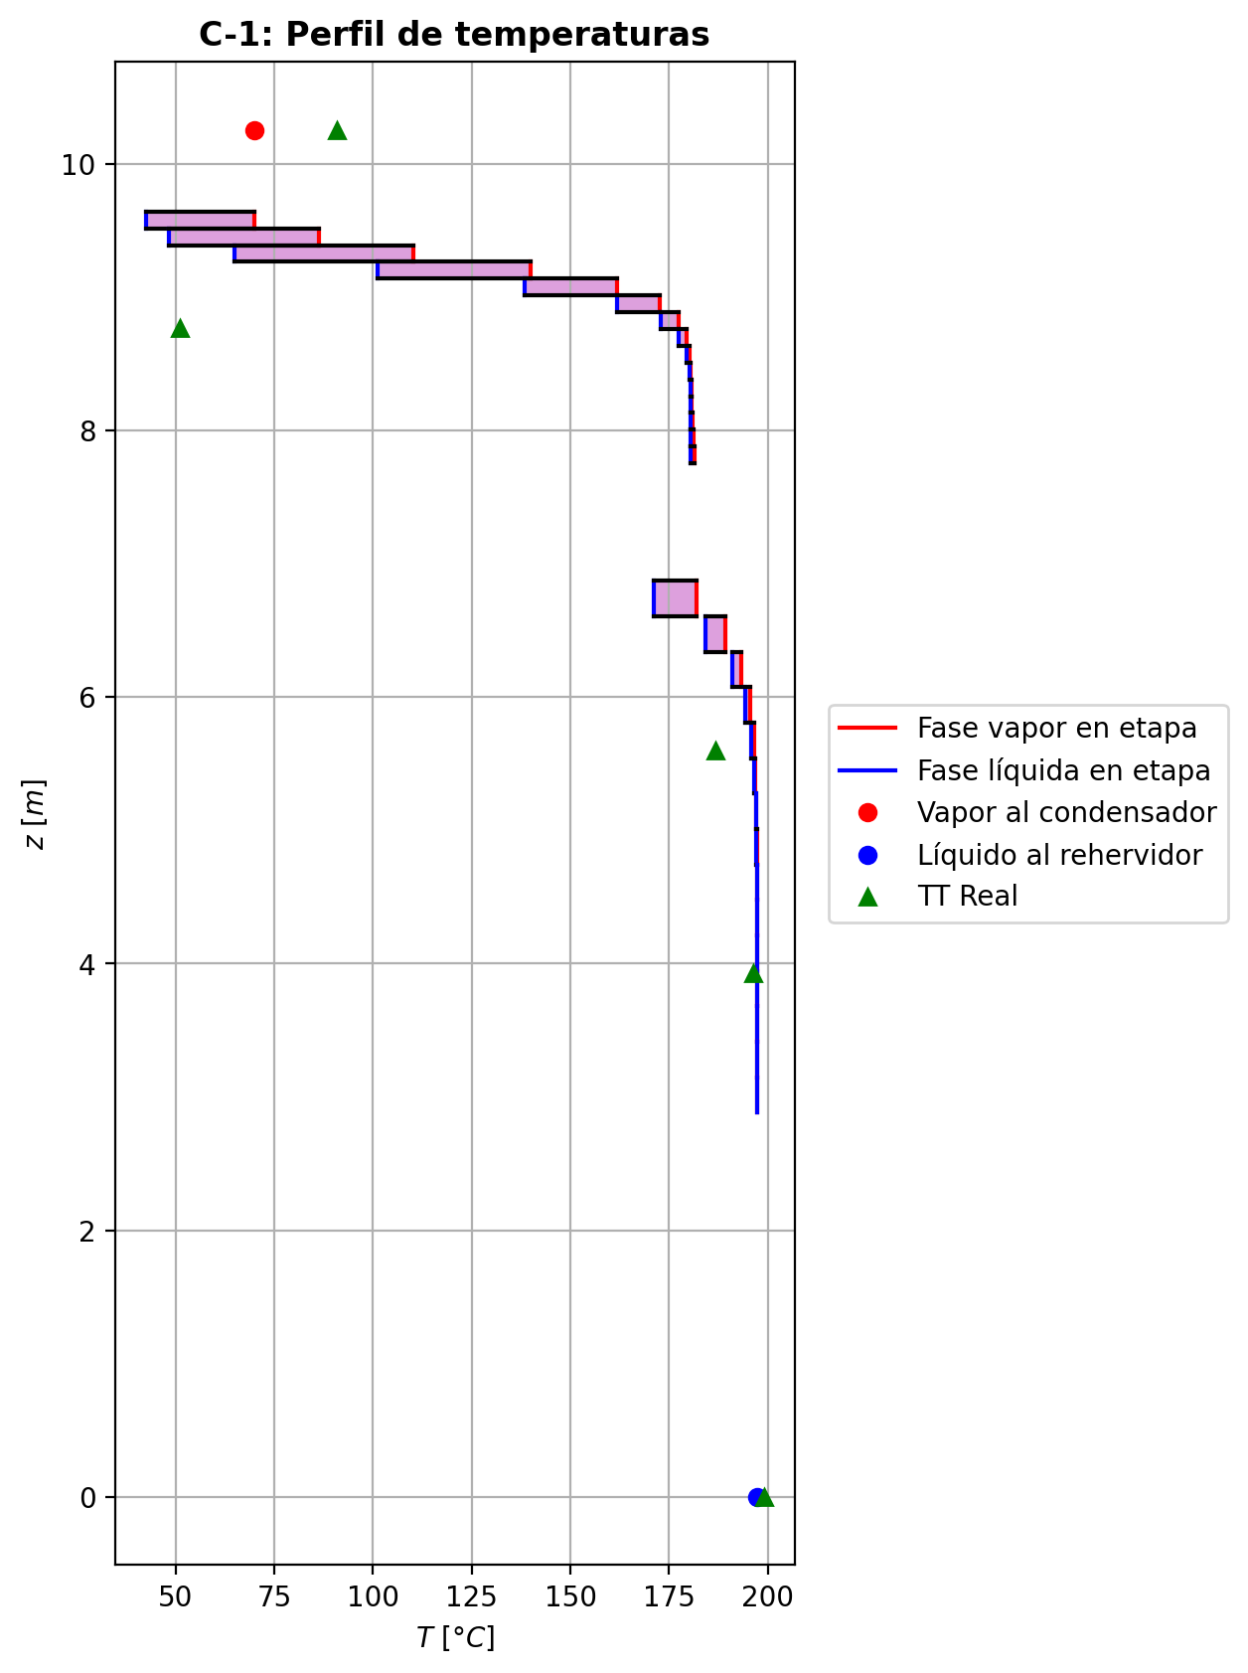
Agotamiento | 23 | 5.2746 | 5.0086 | - | - | 28.6689246 | 55.295818 | 28.6689246 | 55.295818 | 18.0173221 | - | - | 0.00520437935 | 0.00520437935 | 0.00725347705 | 0.00115581091 | 0.00128836291 | 0.00128836291 | 5.1181484705 | 0.67730802333 | -0.0780381176 | 0.0957988616 | 0.017760744 | -0.078130551249 | 0.99976715092 | 9.2433649314E-05 | -0.078060999884 | 1.0025210136 | 2.2882283824E-05 | - | - | 197.159802 | 197.159802 | 197.032328 | 197.023166 | 197.023166 | 66.12557328 | 9831.627756 | -19592.8058 | 151.872566 | -19744.6783 | 1623.0539 | -21215.8597 | - | - | -236425.87 | -272337.676 | - | - | 14.7067011 |  |  |  |  |  |  |  |  | 0.413576865 | 48.1368733 | 0.41357687248 | 48.136873692 | 0.013005222012 | 8.531671788E-05 | 0.01300522171 | 8.5316714359E-05 | 52.761417231 | 80.777710324 | 0.12929040269 | 2.3928101559 | 0.05860726449 | 0.48838609631 | 496641.08723 | 435.85356098 | 7.2227044955 | 0.605006437 | 6.60147268 | 0.60500643236 | 6.6014730899 | 616.39522126 | 142.69912299 | 616.3957277 | 142.69923383 | 0.0010135413019 | 0.0010135428956 | 3.6874676426E-05 | 3.688733185E-05 | 5.1181525157 | 0.67730853527 | 66.125627696 | 9831.6355071 | 425.8863267 | 423.99616737 | -239981.84745 | -272368.2279 | 1.0026406494 | -38481.987124 | -237461.43434 | -62784.701263 | -272608.00462 | -19745.473247 | -21215.936605 | 3.9429667181E-05 | -0.077707093258 | 0.017741287296 | -19523.797721 | 0.0072534116109 | 0.0011558004586 | 197.03233723
Agotamiento | 24 | 5.0086 | 4.7426 | - | - | 28.6866854 | 55.3043058 | 28.6866854 | 55.3043058 | 18.0218324 | - | - | 0.00248079695 | 0.00248079695 | 0.00345795285 | 0.000550665249 | 0.000614016727 | 0.000614016727 | 5.1231510057 | 0.67745390106 | -0.0372833122 | 0.0457712018 | 0.0084878896 | -0.037304368931 | 0.99988884102 | 2.1056730632E-05 | -0.037288523906 | 1.0012058574 | 5.2117061913E-06 | - | - | 197.26196 | 197.26196 | 197.200868 | 197.196504 | 197.196504 | 66.2185098 | 9843.986844 | -9362.40611 | 72.9057712 | -9435.31188 | 774.236249 | -10136.6424 | - | - | -236962.485 | -272465.167 | - | - | 14.7069177 |  |  |  |  |  |  |  |  | 0.413530945 | 48.1522255 | 0.41353095332 | 48.152225915 | 0.013010887224 | 8.537326704E-05 | 0.013010886867 | 8.5373263405E-05 | 52.950938678 | 80.759132554 | 0.12920503842 | 2.3980311012 | 0.058613331333 | 0.48860456016 | 496482.93307 | 436.17200624 | 7.2215100208 | 0.604782706 | 6.59770352 | 0.60478270156 | 6.5977039639 | 616.80508449 | 142.66247318 | 616.80559054 | 142.66258341 | 0.0010138894759 | 0.0010138910618 | 3.6862481161E-05 | 3.687513217E-05 | 5.1231550661 | 0.6774544108 | 66.218564605 | 9843.9945589 | 425.99293939 | 424.10378519 | -240518.90975 | -272495.71024 | 1.0012635741 | -38439.832381 | -237456.20408 | -62770.43022 | -272594.00287 | -9435.4915642 | -10136.665568 | 3.94760756E-05 | -0.037121450296 | 0.0084887569564 | -9330.9102417 | 0.0034579382535 | 0.00055066292155 | 197.20087513
Agotamiento | 25 | 4.7426 | 4.4766 | - | - | 28.6951733 | 55.3083891 | 28.6951733 | 55.3083891 | 18.0239861 | - | - | 0.00118077452 | 0.00118077452 | 0.00164655763 | 0.000262132498 | 0.000292362625 | 0.000292362625 | 5.1255009708 | 0.67752444754 | -0.0177876631 | 0.0218709169 | 0.0040832538 | -0.017792484502 | 0.99994655862 | 4.8214020457E-06 | -0.017788856891 | 1.0005751696 | 1.1937907995E-06 | - | - | 197.310775 | 197.310775 | 197.281508 | 197.279421 | 197.279421 | 66.26391984 | 9849.91554 | -4474.94832 | 34.9555286 | -4509.90385 | 370.360283 | -4845.3086 | - | - | -237218.663 | -272525.961 | - | - | 14.7071343 |  |  |  |  |  |  |  |  | 0.413512751 | 48.1595626 | 0.41351276004 | 48.159563042 | 0.013013494596 | 8.540032932E-05 | 0.013013494227 | 8.5400325394E-05 | 53.043986321 | 80.750293933 | 0.12916433683 | 2.4005321384 | 0.058616222037 | 0.48870858893 | 496406.53911 | 436.32025798 | 7.220942928 | 0.604674985 | 6.59589604 | 0.60467497995 | 6.5958965003 | 617.00100527 | 142.64514442 | 617.00151224 | 142.64525459 | 0.0010140585684 | 0.0010140601559 | 3.6856691701E-05 | 3.6869340915E-05 | 5.1255050316 | 0.6775249573 | 66.263974913 | 9849.9232587 | 426.0438477 | 424.15517259 | -240775.29739 | -272556.4998 | 1.0006028049 | -38419.214476 | -237453.67849 | -62763.598858 | -272587.30606 | -4509.9416261 | -4845.3165674 | 3.9497909196E-05 | -0.01770959163 | 0.0040997572615 | -4463.528676 | 0.0016465543749 | 0.0002621319792 | 197.28151384
Agotamiento | 26 | 4.4766 | 4.2106 | - | - | 28.6992565 | 55.310377 | 28.6992565 | 55.310377 | 18.0250133 | - | - | 0.000560811265 | 0.000560811265 | 0.000782795711 | 0.000124604858 | 0.000139019351 | 0.000139019351 | 5.1265906567 | 0.67756031417 | -0.00848089307 | 0.0104687617 | 0.00198786863 | -0.0084820078891 | 0.99997398774 | 1.114819121E-06 | -0.0084811694222 | 1.0002737458 | 2.7635220682E-07 | - | - | 197.334344 | 197.334344 | 197.320288 | 197.319286 | 197.319286 | 66.28594464 | 9852.763896 | -2143.28841 | 16.7932426 | -2160.08165 | 178.062971 | -2321.35138 | - | - | -237340.838 | -272554.916 | - | - | 14.7073509 |  |  |  |  |  |  |  |  | 0.413507307 | 48.1630457 | 0.413507314 | 48.163046116 | 0.013014654372 | 8.541342036E-05 | 0.013014654073 | 8.5413416693E-05 | 53.089040763 | 80.746110793 | 0.12914506805 | 2.4017262676 | 0.058617637976 | 0.48875746448 | 496369.09893 | 436.3880918 | 7.2206802381 | 0.604623175 | 6.59501243 | 0.60462317043 | 6.5950128423 | 617.09480984 | 142.63720122 | 617.09531516 | 142.63731215 | 0.0010141431068 | 0.0010141447006 | 3.6854010183E-05 | 3.6866658433E-05 | 5.1265947241 | 0.67756082666 | 66.285999386 | 9852.7716572 | 426.06812825 | 424.179682 | -240897.57132 | -272585.45354 | 1.0002868982 | -38409.253115 | -237452.46405 | -62760.299342 | -272584.08652 | -2160.0884926 | -2321.3544572 | 3.950811639E-05 | -0.0084434785194 | 0.0020089381369 | -2140.9323942 | 0.00078279497639 | 0.0001246047411 | 197.32029452
Agotamiento | 27 | 4.2106 | 3.9446 | - | - | 28.7012444 | 55.3113673 | 28.7012444 | 55.3113673 | 18.025503 | - | - | 0.000265283734 | 0.000265283734 | 0.000371068784 | 5.90629251E-05 | 6.59336996E-05 | 6.59336996E-05 | 5.1270807304 | 0.67757993099 | -0.00404232965 | 0.00503266804 | 0.00099033839 | -0.0040425923707 | 0.99998703999 | 2.6272066602E-07 | -0.0040423949467 | 1.0001298755 | 6.5296673909E-08 | - | - | 197.345921 | 197.345921 | 197.33913 | 197.338643 | 197.338643 | 66.2966532 | 9854.140788 | -1031.65622 | 8.11606129 | -1039.77229 | 86.4692407 | -1118.12547 | - | - | -237399.075 | -272568.688 | - | - | 14.7075675 |  |  |  |  |  |  |  |  | 0.413507829 | 48.1646845 | 0.41350783691 | 48.164684884 | 0.01301512662 | 8.541987192E-05 | 0.013015126272 | 8.5419868315E-05 | 53.110752723 | 80.744149217 | 0.12913604559 | 2.4022951707 | 0.058618359781 | 0.48877992069 | 496350.22307 | 436.41776704 | 7.2205638375 | 0.604598153 | 6.59456655 | 0.60459814784 | 6.5945669916 | 617.13992292 | 142.63377207 | 617.14042924 | 142.63388243 | 0.0010141875404 | 0.0010141891284 | 3.6852822047E-05 | 3.6865469828E-05 | 5.1270848012 | 0.67758044261 | 66.296708339 | 9854.1485447 | 426.07970358 | 424.19136538 | -240955.85665 | -272599.22473 | 1.0001361285 | -38404.462053 | -237451.87986 | -62758.680311 | -272582.5232 | -1039.7729912 | -1118.1260785 | 3.9512803451E-05 | -0.0040244523399 | 0.001017068541 | -1034.4892718 | 0.000371068624 | 5.9062899646E-05 | 197.33913595
Agotamiento | 28 | 3.9446 | 3.6786 | - | - | 28.7022347 | 55.3118828 | 28.7022347 | 55.3118828 | 18.0257363 | - | - | 0.000124437824 | 0.000124437824 | 0.00017484694 | 2.78296255E-05 | 3.11040854E-05 | 3.11040854E-05 | 5.1272853149 | 0.67759187709 | -0.00192645755 | 0.00244190985 | 0.0005154523 | -0.0019265216918 | 0.99999326198 | 6.4141762588E-08 | -0.0019264735827 | 1.0000613007 | 1.6032672359E-08 | - | - | 197.351792 | 197.351792 | 197.348472 | 197.348231 | 197.348231 | 66.30193116 | 9854.815752 | -501.887402 | 3.9681123 | -505.855514 | 42.8324494 | -544.719851 | - | - | -237426.828 | -272575.222 | - | - | 14.7077842 |  |  |  |  |  |  |  |  | 0.413511174 | 48.1654426 | 0.41351118363 | 48.165442938 | 0.013015271556 | 8.542316448E-05 | 0.013015271177 | 8.5423161083E-05 | 53.12123315 | 80.743247114 | 0.12913191303 | 2.4025655823 | 0.058618752729 | 0.48878975233 | 496340.18903 | 436.42929284 | 7.2205174905 | 0.604585926 | 6.59432869 | 0.60458592161 | 6.5943290948 | 617.1618333 | 142.63250333 | 617.16233714 | 142.63261432 | 0.0010142129113 | 0.0010142145046 | 3.6852348778E-05 | 3.686499657E-05 | 5.1272893308 | 0.67759238944 | 66.301985938 | 9854.8235147 | 426.08521823 | 424.19693272 | -240983.63248 | -272605.75836 | 1.0000642316 | -38402.155978 | -237451.5973 | -62757.86133 | -272581.74878 | -505.85527103 | -544.71970149 | 3.9514864479E-05 | -0.0019179279297 | 0.00054302941958 | -506.7625526 | 0.000174846905 | 2.7829619922E-05 | 197.34847801
Agotamiento | 29 | 3.6786 | 3.4126 | - | - | 28.7027502 | 55.3121724 | 28.7027502 | 55.3121724 | 18.0258476 | - | - | 5.7318064E-05 | 5.7318064E-05 | 8.13387986E-05 | 1.29462173E-05 | 1.45066308E-05 | 1.45066308E-05 | 5.127353799 | 0.67760018154 | -0.000918032263 | 0.00120770122 | 0.000289668957 | -0.00091804886626 | 0.99999621114 | 1.6603263816E-08 | -0.00091803646512 | 1.0000286016 | 4.2021206134E-09 | - | - | 197.354939 | 197.354939 | 197.353287 | 197.353163 | 197.353163 | 66.30461388 | 9855.156096 | -249.542821 | 1.97430632 | -251.517127 | 22.0408368 | -271.583658 | - | - | -237440.05 | -272578.306 | - | - | 14.7080008 |  |  |  |  |  |  |  |  | 0.413515867 | 48.1657806 | 0.41351587536 | 48.16578101 | 0.013015260324 | 8.54249526E-05 | 0.013015259966 | 8.5424948733E-05 | 53.126340523 | 80.742849897 | 0.12913010975 | 2.4026936358 | 0.058618988444 | 0.48879356435 | 496334.37219 | 436.43217944 | 7.220504615 | 0.604579801 | 6.59418981 | 0.60457979582 | 6.5941902588 | 617.17269815 | 142.63226765 | 617.17320408 | 142.63237813 | 0.0010142292243 | 0.0010142308126 | 3.6852217413E-05 | 3.6864865095E-05 | 5.1273578777 | 0.67760069193 | 66.304668729 | 9855.1638369 | 426.0878491 | 424.19958516 | -240996.86642 | -272608.84271 | 1.0000299599 | -38401.038626 | -237451.45913 | -62757.423688 | -272581.35034 | -251.51702449 | -271.58348967 | 3.9515675377E-05 | -0.00091396525826 | 0.00032059719872 | -256.09337305 | 8.1338792004E-05 | 1.2946216206E-05 | 197.35329343
Agotamiento | 30 | 3.4126 | 3.1466 | - | - | 28.7030398 | 55.3123553 | 28.7030398 | 55.3123553 | 18.0259005 | - | - | 2.53336863E-05 | 2.53336863E-05 | 3.67798591E-05 | 5.85402195E-06 | 6.59759564E-06 | 6.59759564E-06 | 5.1273574949 | 0.67760677119 | -0.000437464708 | 0.000620382713 | 0.000182918005 | -0.00043746934199 | 0.99999760838 | 4.6339873573E-09 | -0.00043746591482 | 1.0000130182 | 1.2068190323E-09 | - | - | 197.356779 | 197.356779 | 197.355946 | 197.355878 | 197.355878 | 66.30606144 | 9855.337104 | -129.516838 | 0.994978249 | -130.511816 | 12.1338353 | -141.650673 | - | - | -237446.347 | -272579.746 | - | - | 14.7082174 |  |  |  |  |  |  |  |  | 0.413521215 | 48.1659184 | 0.41352122112 | 48.165918764 | 0.013015174104 | 8.542602396E-05 | 0.013015173808 | 8.5426020318E-05 | 53.128887759 | 80.742693442 | 0.12912941351 | 2.402753822 | 0.058619148027 | 0.48879450262 | 496330.56053 | 436.43094087 | 7.2205078403 | 0.604576575 | 6.59409807 | 0.6045765712 | 6.5940984891 | 617.17832698 | 142.6325269 | 617.17882994 | 142.63263764 | 0.0010142412558 | 0.0010142428468 | 3.6852250255E-05 | 3.6864898029E-05 | 5.1273615584 | 0.67760728135 | 66.306116014 | 9855.3448655 | 426.08909953 | 424.20084834 | -241003.1705 | -272610.28317 | 1.0000136263 | -38400.488377 | -237451.39032 | -62757.16612 | -272581.13094 | -130.5118793 | -141.65057617 | 3.9515889992E-05 | -0.0004355262743 | 0.00021143841238 | -135.91427681 | 3.6779857262E-05 | 5.8540216465E-06 | 197.35595209
Agotamiento | 31 | 3.1466 | 2.8806 | 28.7033563 | - | 28.7032228 | 55.3124889 | 28.7032228 | 55.3124889 | 18.0259258 | 2.82995964E-06 | - | 1.00925636E-05 | 1.00925636E-05 | 1.55467901E-05 | 2.4744903E-06 | 2.82881493E-06 | 2.82881493E-06 | 5.1273301706 | 0.67761255717 | -0.00020845976 | 0.000341990536 | 0.000133530776 | -0.00020846110767 | 0.99999825641 | 1.3476678493E-09 | -0.00020846013773 | 1.0000055873 | 3.7773385276E-10 | 197.358833 | - | 197.357976 | 197.357976 | 197.357577 | 197.357535 | 197.357535 | 66.30692652 | 9855.442476 | -72.7247117 | 0.476455533 | -73.2011672 | 7.41314805 | -80.1378597 | -237450.77578 | - | -237449.346 | -272580.403 | 14.7086507 | - | 14.7084341 |  |  |  |  |  |  |  |  | 0.4135269 | 48.1659607 | 0.41352690912 | 48.165961149 | 0.013015051056 | 8.542675368E-05 | 0.013015050694 | 8.5426749779E-05 | 53.13022638 | 80.742651572 | 0.12912923787 | 2.4027816662 | 0.058619268535 | 0.488794075 | 496327.70893 | 436.42772032 | 7.2205189267 | 0.604574718 | 6.59402879 | 0.60457471339 | 6.5940292522 | 617.18150473 | 142.63302615 | 617.18201022 | 142.63313632 | 0.0010142513036 | 0.0010142528901 | 3.6852363544E-05 | 3.6865011234E-05 | 5.127334226 | 0.67761306497 | 66.306981456 | 9855.4502064 | 426.08969756 | 424.2014496 | -241006.1731 | -272610.94041 | 1.0000058426 | -38400.208032 | -237451.35568 | -62757.001525 | -272580.99697 | -73.201218252 | -80.137811782 | 3.9515819399E-05 | -0.00020753595712 | 0.00016661327688 | -80.405616784 | 1.5546789531E-05 | 2.474490208E-06 | 197.35758338

Exportar_resultados_ACM
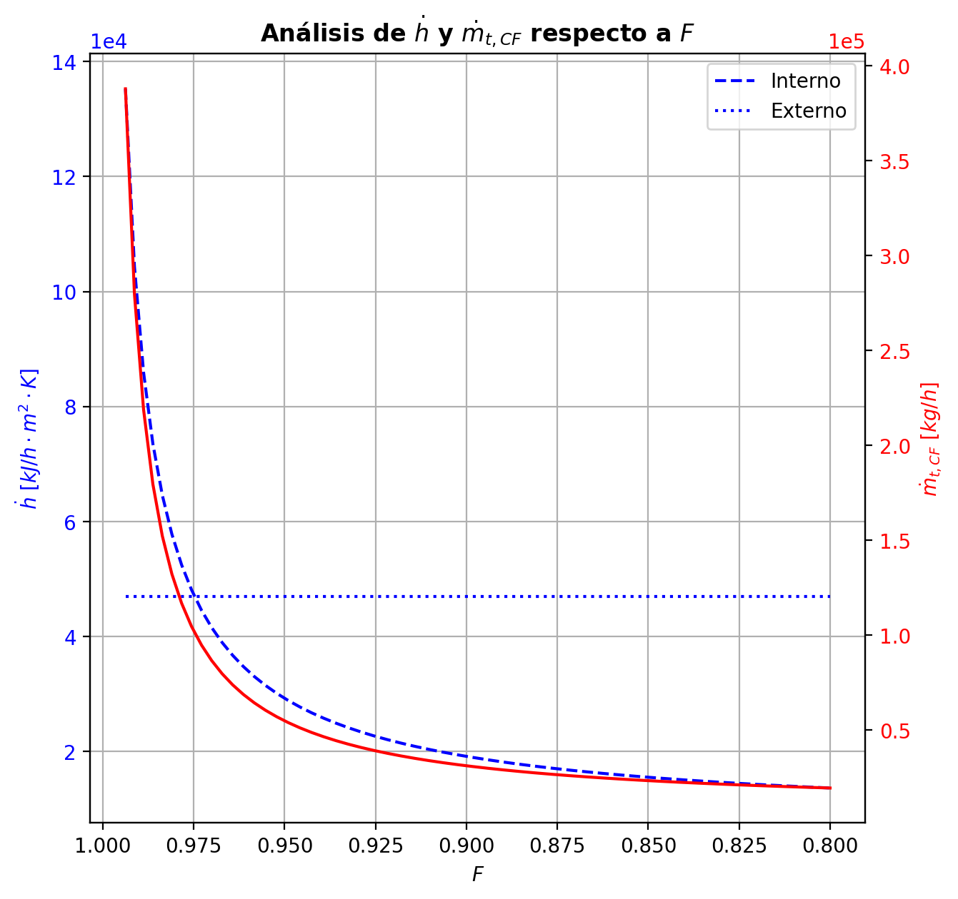


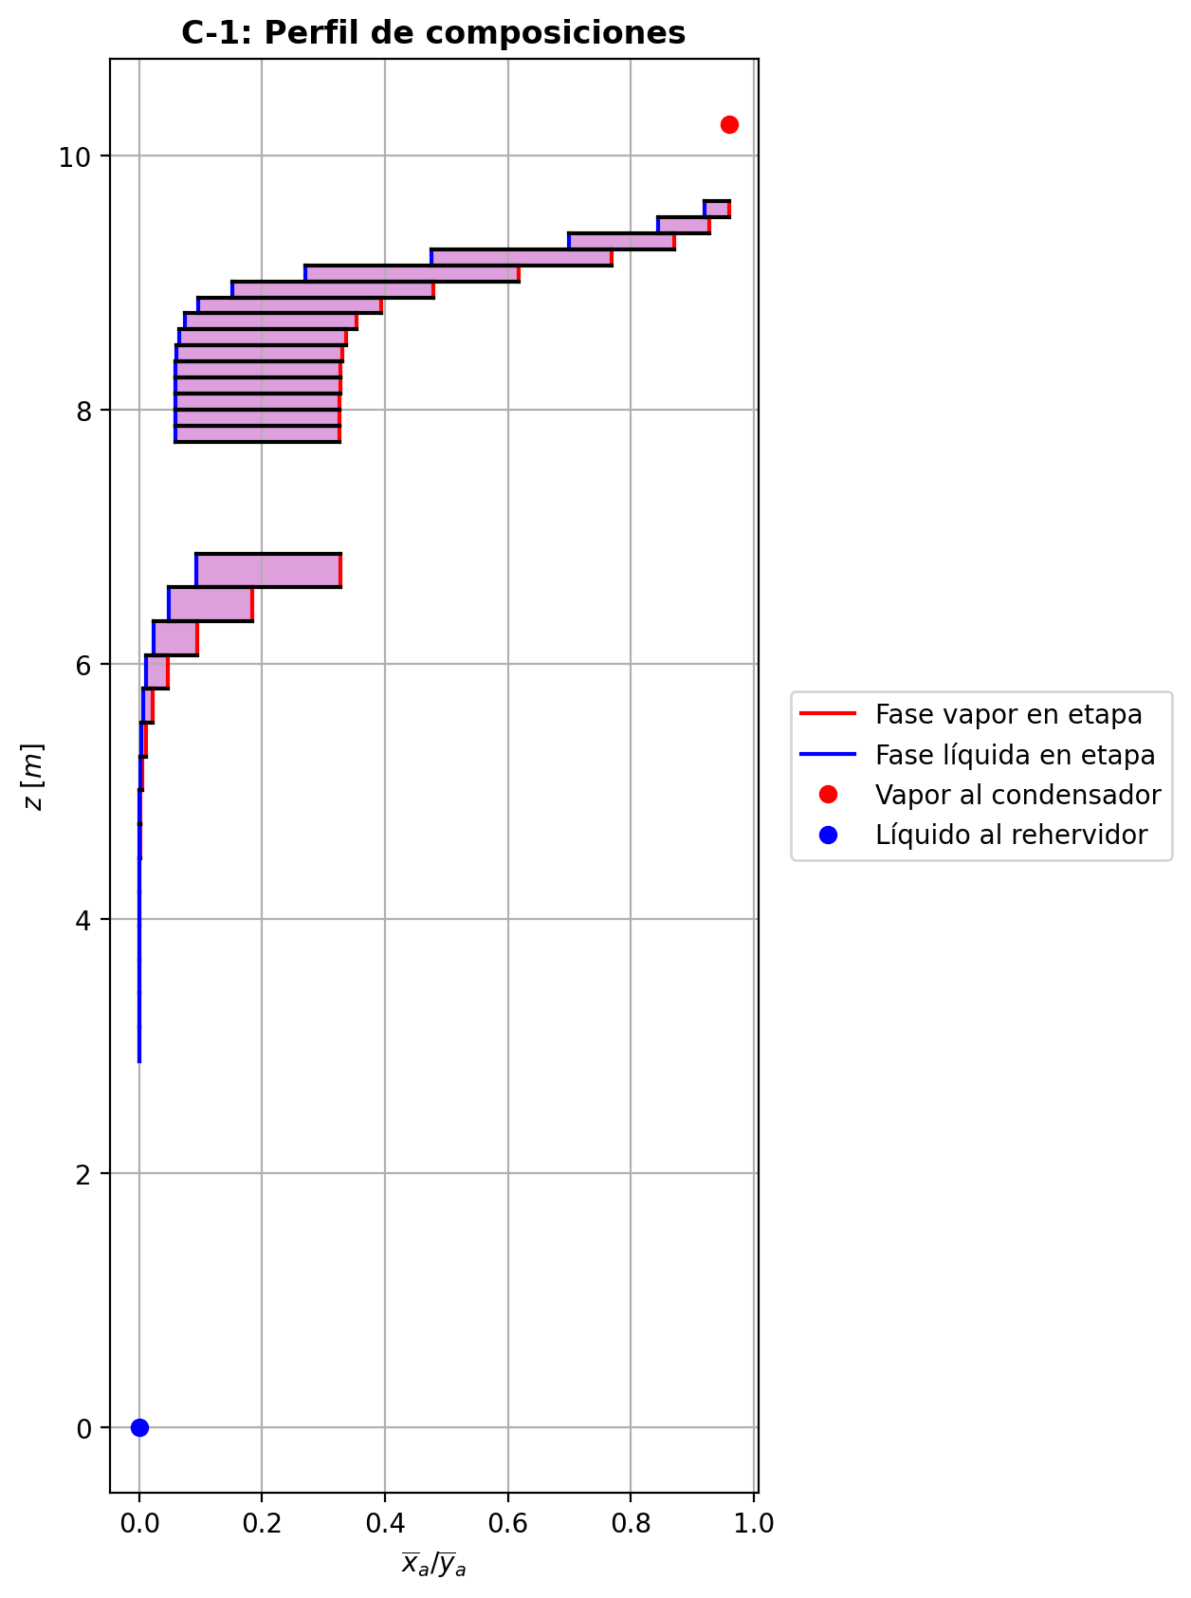


$${\left[N_{t}=N_{a}+N_{w} \right]}_{2}$$
$${\left[N_{t}=N_{a}+N_{w} \right]}_{ps1+ps2−3}$$
$$F_{fría}^{l}+F_{caliente}^{l}=P_{fría}^{l}+P_{caliente}^{l}$$
$${\left[J_{a}^{g}=Γ^{g,b}ρ^{g,b}k_{bm}^{g}a_{ef}A_{tr}Z\left(y_{a}^{b}−y_{a}^{I}\right)\right]}_{2}$$
$${\left(N_{t}\right)}_{2}=V_{3}−V_{2}=L_{2}−{\left(L_{1}−P^{l}\right)}_{E−3}$$
$${\left[J_{a}^{g}=Γ^{g,b}ρ^{g,b}k_{bm}^{g}a_{ef}A_{tr}Z\left(y_{a}^{b}−y_{a}^{I}\right)\right]}_{s}$$
$${\left[N_{t}=N_{a}+N_{w} \right]}_{s}$$
$${\left[J_{a}^{g}=Γ^{g,b}ρ^{g,b}k_{bm}^{g}a_{ef}A_{tr}Z\left(y_{a}^{b}−y_{a}^{I}\right)\right]}_{ps1+ps2−3}$$
Caso | 36 |  |  | Economizador E-1 |  |  |  |  |  |  |  |  | Condensador E-3 (s=1) |  |  |  |  |  |  |  |  | s=2 |  |  |  |  |  |  |  |  |  |  |  |  |  |  | s={3,…,ps1+ps2-4} |  |  |  |  |  |  |  |  |  |  |  |  |  |  |  | s=ps1+ps2-3 |  |  |  |  |  |  |  |  |  |  |  |  |  |  | Rehervidor E-2 (s=ps1+ps2-2)
ps1 | 17 |  | Representación y balances |  |  |  |  |  |  |  |  |  |  |  |  |  |  |  |  |  |  | Atr [m2] | 0.159043 |  |  |  |  |  |  |  |  |  |  |  |  |  | s |  | Atr [m2] | 0.159043 |  |  |  |  |  |  |  |  |  |  |  |  | Atr [m2] | 0.159043
ps2 | 17 |  |  | Pl [kmol/h]= | 26.59486268 | Fl [kmol/h]= | 34.003290416 | Balance de Masa Total [kmol/h] |  |  |  |  | V2 [kmol/h]= | 37.28448329 | Pl Fría [kmol/h]= | 6266.6477944 | Balance de Masa Total [kmol/h] |  |  |  |  |  | V2 [kmol/h]= | 37.28448329 |  |  | L1-Pl en E-3 [kmol/h]= | 29.876055554 |  | Balance de Masa Total [kmol/h] |  |  |  |  |  |  |  |  | Vs [kmol/h]= | #VALUE! |  |  | Ls-1 [kmol/h]= | #VALUE! |  | Balance de Masa Total [kmol/h] |  |  |  |  |  |  |  |  | Vps1+ps2-3 [kmol/h]= | 28.557803063 |  |  | Lps1+ps2-4 [kmol/h]= | 55.152665743 |  | Balance de Masa Total [kmol/h] |  |  |  |  |  | Lps1+ps2-3 [kmol/h]= | 55.151122199 |  |  |  |  | Balance de Masa Total [kmol/h]
$$V_{2}=L_{1}$$
$${\left[J_{a}^{l}=Γ^{l,b}ρ^{l,b}k_{bm}^{l}a_{ef}A_{tr}Z\left(x_{a}^{I}−x_{a}^{b}\right)\right]}_{2}$$
$${\left[J_{a}^{l}=Γ^{l,b}ρ^{l,b}k_{bm}^{l}a_{ef}A_{tr}Z\left(x_{a}^{I}−x_{a}^{b}\right)\right]}_{s}$$
$${\left(N_{t}\right)}_{s}=V_{s+1}−V_{s}=L_{s}−L_{s−1}−F_{s}^{l}$$
$${\left[J_{a}^{l}=Γ^{l,b}ρ^{l,b}k_{bm}^{l}a_{ef}A_{tr}Z\left(x_{a}^{I}−x_{a}^{b}\right)\right]}_{ps1+ps2−3}$$
$${\left(N_{t}\right)}_{ps1+ps2−3}=−V_{ps1+ps2−3}+F_{ps1+ps2−3}^{g}=L_{ps1+ps2−3}−L_{ps1+ps2−4}−F_{ps1+ps2−3}^{l}$$
$$L_{ps1+ps2−3}=P_{ps1+ps2−2}^{g}+P_{ps1+ps2−2}^{l}$$
flowmode1 | MIXED |  |  | T [°C]= | 56.541313693 | T [°C]= | 20 |  |  |  |  |  | T [°C]= | 70.443073712 | T [°C]= | 31.724855405 |  |  |  |  |  |  | T [°C]= | 70.443073712 |  |  | T [°C]= | 39.760010243 |  |  |  |  |  |  |  |  |  |  | T [°C]= | #VALUE! |  |  | T [°C]= | #VALUE! |  |  |  |  |  |  |  |  |  |  | T [°C]= | 197.39312231 |  |  | T [°C]= | 197.34395203 |  |  |  |  |  |  |  | T [°C]= | 197.34504869 |  |  | Pg [kmol/h]= | 28.556259519
$$F_{fría}^{l}=P_{fría}^{l}$$
$${\left[Q^{g}=k_{h}^{g}a_{ef}A_{tr}Z\left(T^{g,b}−T^{I}\right)\right]}_{2}$$
$${\left[Q^{g}=k_{h}^{g}a_{ef}A_{tr}Z\left(T^{g,b}−T^{I}\right)\right]}_{s}$$
$${\left[Q^{g}=k_{h}^{g}a_{ef}A_{tr}Z\left(T^{g,b}−T^{I}\right)\right]}_{ps1+ps2−3}$$
$${f_{v}\left(L−P^{l}\right)}_{ps1+ps2−2}=P_{ps1+ps2−2}^{g}$$
flowmode2 | MIXED |  |  | P [bar]= | 14.827442236 | P [bar]= | 18.6326 |  | 60.598153095 | = | 60.598153095 |  | P [bar]= | 14.7038403 | P [bar]= | 3.43233 |  |  |  |  |  |  | P [bar]= | 14.7038403 |  |  | P [bar]= | 14.7038403 |  |  | -2.6359634478 | = | -2.6359634478 | = | -2.6359634478 |  |  |  | P [bar]= | #VALUE! |  |  | P [bar]= | #VALUE! |  |  | #VALUE! | = |  | = | #VALUE! |  |  |  | P [bar]= | 14.704542332 |  |  | P [bar]= | 14.704503154 |  |  | -0.001543544002 | = | -0.001543544002 | = | -0.001543544002 | P [bar]= | 14.704542332 |  |  | T [°C]= | 197.73908077
$${\left[Q^{l}=k_{h}^{l}a_{ef}A_{tr}Z\left(T^{I}−T^{l,b}\right)\right]}_{2}$$
$${\left[Q^{l}=k_{h}^{l}a_{ef}A_{tr}Z\left(T^{I}−T^{l,b}\right)\right]}_{s}$$
$${\left[Q^{l}=k_{h}^{l}a_{ef}A_{tr}Z\left(T^{I}−T^{l,b}\right)\right]}_{ps1+ps2−3}$$
simtype | 0 |  |  | xa molar= | 2.8664262908E-06 | xa molar= | 0.209146 |  |  |  |  |  | ya molar= | 0.95993052757 | xa molar= | 0 |  | 37.28448329 | = | 37.28448329 |  | z top [m]= | ya molar= | 0.95993052757 |  |  | xa molar= | 0.95993052757 |  |  |  |  |  |  |  |  |  | z top [m]= | ya molar= | #VALUE! |  |  | xa molar= | #VALUE! |  |  |  |  |  |  |  |  |  | z top [m]= | ya molar= | 1.0211251605E-05 |  |  | xa molar= | 6.6695439107E-06 |  |  |  |  |  |  |  | xa molar= | 2.8664262908E-06 |  |  | P [bar]= | 14.827442236 |  | 55.151122199 | = | 55.151122199
$${\left(N_{a}\right)}_{ps1+ps2−3}=−{\left(Vy_{a}\right)}_{ps1+ps2−3}+{\left(F^{g}y_{a}\right)}_{ps1+ps2−3}={\left(Lx_{a}\right)}_{ps1+ps2−3}−{\left(Lx_{a}\right)}_{ps1+ps2−4}−{\left(F^{l}x_{a}\right)}_{ps1+ps2−3}$$
pborde1 | - |  |  | h [kJ/kmol]= | -283433.31004 | h [kJ/kmol]= | -243616.70254 | Balance de Masa Amoníaco [kmol/h] |  |  |  |  | h [kJ/kmol]= | -53270.546253 | h [kJ/kmol]= | -285320.01266 |  | 6266.6477944 | = | 6266.6477944 |  | 9.6416 | h [kJ/kmol]= | -53270.546253 |  |  | h [kJ/kmol]= | -75096.574482 |  | Balance de Masa Amoníaco [kmol/h] |  |  |  |  |  |  |  | #VALUE! | h [kJ/kmol]= | #VALUE! |  |  | h [kJ/kmol]= | #VALUE! |  | Balance de Masa Amoníaco [kmol/h] |  |  |  |  |  |  |  | 3.1466 | h [kJ/kmol]= | -237446.93615 |  |  | h [kJ/kmol]= | -272580.69734 |  | Balance de Masa Amoníaco [kmol/h] |  |  |  |  |  | h [kJ/kmol]= | -272581.40674 |  |  | ya molar= | 2.8664262908E-06 |  | 28.556259519 | = | 28.556259519
$${\left(F^{l}x_{a,F}\right)}_{fría}+{\left(F^{l}x_{a,F}\right)}_{caliente}={\left(P^{l}x_{a,P}\right)}_{fría}+{\left(P^{l}x_{a,P}\right)}_{caliente}$$
$${\left(N_{a}\right)}_{2}={\left(Vy_{a}\right)}_{3}−{\left(Vy_{a}\right)}_{2}={\left(Lx_{a}\right)}_{2}−{\left[\left(L_{1}−P^{l}\right)x_{a}\right]}_{E−3}$$
$${\left(N_{a}\right)}_{s}={\left(Vy_{a}\right)}_{s+1}−{\left(Vy_{a}\right)}_{s}={\left(Lx_{a}\right)}_{s}−{\left(Lx_{a}\right)}_{s−1}−{\left(F^{l}x_{a}\right)}_{s}$$
nborde1 | - |  |  |  |  |  |  |  |  |  |  |  |  |  |  |  |  |  |  |  |  |  |  |  | TI [°C]= | 42.710609848 |  |  |  |  |  |  |  |  |  |  | NO APLICA |  |  |  | TI [°C]= | #VALUE! |  |  |  |  |  |  |  |  |  |  | NO APLICA |  |  |  | TI [°C]= | 197.34507641 |  |  |  |  |  |  |  |  |  |  |  |  |  | h [kJ/kmol]= | -237446.40714
$${\left(N_{a}\right)}_{2}={\left(J_{a}^{g}\right)}_{2}+{\left(N_{t}y_{a}^{b}\right)}_{2}={\left(J_{a}^{l}\right)}_{2}+{\left(N_{t}x_{a}^{b}\right)}_{2}$$
$${\left(N_{a}\right)}_{s}={\left(J_{a}^{g}\right)}_{s}+{\left(N_{t}y_{a}^{b}\right)}_{s}={\left(J_{a}^{l}\right)}_{s}+{\left(N_{t}x_{a}^{b}\right)}_{s}$$
$${\left(N_{a}\right)}_{ps1+ps2−3}={\left(J_{a}^{g}\right)}_{ps1+ps2−3}+{\left(N_{t}y_{a}^{b}\right)}_{ps1+ps2−3}={\left(J_{a}^{l}\right)}_{ps1+ps2−3}+{\left(N_{t}x_{a}^{b}\right)}_{ps1+ps2−3}$$
pborde2 | - |  |  |  |  |  |  |  | 7.1117284095 | = | 7.1117284095 |  |  |  |  |  | Balance de Masa Amoníaco [kmol/h] |  |  |  |  |  | V2b [kmol/h]= | 37.28448329 | yaI molar= | 0.99975326642 | L2b [kmol/h]= | 27.240092106 |  |  |  |  |  |  |  |  | Fl Alimentación [kmol/h]= | #VALUE! | Vsb [kmol/h]= | #VALUE! | yaI molar= | #VALUE! | Lsb [kmol/h]= | #VALUE! |  |  |  |  |  |  |  |  | Fl Alimentación [kmol/h]= | - | Vps1+ps2-3b [kmol/h]= | 28.557803063 | yaI molar= | 1.575331777E-05 | Lps1+ps2-3b [kmol/h]= | 55.151122199 |  |  |  |  |  |  |  |  |  |  |  |  |  | Balance de Masa Amoníaco [kmol/h]
$${\left(Vy_{a}\right)}_{2}={\left(Lx_{a}\right)}_{1}$$
$${\left(Lx_{a}\right)}_{ps1+ps2−3}={\left(P^{g}y_{a}\right)}_{ps1+ps2−2}+{\left(P^{l}y_{a}\right)}_{ps1+ps2−2}$$
nborde2 | - |  |  | Q̇ [kJ/h]= |  |  |  |  |  |  |  |  | Q̇ [kJ/h]= |  |  |  |  |  |  |  |  |  | Tg,b [°C]= | 70.443073712 | xaI molar= | 0.89989907356 | Tl,b [°C]= | 42.543839018 |  |  | -3.6178876348 | = | -3.6178876348 | = | -3.6178876348 |  | T [°C]= | #VALUE! | Tg,b [°C]= | #VALUE! | xaI molar= | #VALUE! | Tl,b [°C]= | #VALUE! |  |  | #VALUE! | = |  | = | #VALUE! |  | T [°C]= | - | Tg,b [°C]= | 197.39312231 | xaI molar= | 2.5071361218E-06 | Tl,b [°C]= | 197.34504869 |  |  | -0.00020975649933 | = | -0.00020975649932 | = | -0.00020975649933
$$\dot{Q}={{\left(P^{l}h_{P}\right)}_{fría}−\left(F^{l}h_{F}\right)}_{fría}$$
$${\left(F^{l}x_{a,F}\right)}_{fría}={\left(P^{l}x_{a,P}\right)}_{fría}$$
$${\left[\left(L−P^{l}\right)x_{a}\right]}_{ps1+ps2−2}={\left(P^{g}y_{a}\right)}_{ps1+ps2−2}$$
Molar RR | 4.0327120165 |  |  | 288604.87819 |  |  |  | Balance de Energía [kJ/h] |  |  |  |  | 813772.18483 |  |  |  |  |  |  |  |  |  | P [bar]= | 14.7038403 | Na [kmol/h]= | -3.6178876348 | P [bar]= | 14.7038403 |  |  | -3.6178876348 | = | -3.6178876348 | = | -3.6178876348 |  | P [bar]= | #VALUE! | P [bar]= | #VALUE! | Na [kmol/h]= | #VALUE! | P [bar]= | #VALUE! |  |  | #VALUE! | = | #VALUE! | = | #VALUE! |  | P [bar]= | - | P [bar]= | 14.704542332 | Na [kmol/h]= | -0.00020975649933 | P [bar]= | 14.704542332 |  |  | -0.00020975649933 | = | -0.00020975649932 | = | -0.00020975649933
Molar fv Reboiler | 1 |  |  |  |  |  |  |  |  |  |  |  |  |  |  |  |  | 35.790513715 | = | 35.790513715 |  |  | yab molar= | 0.95993052757 | Nw [kmol/h]= | 0.98192418696 | xab molar= | 0.92000607182 |  |  |  |  |  |  |  |  | xa molar= | #VALUE! | yab molar= | #VALUE! | Nw [kmol/h]= | #VALUE! | xab molar= | #VALUE! |  |  |  |  |  |  |  |  | xa molar= | - | yab molar= | 1.0211251605E-05 | Nw [kmol/h]= | -0.0013337875027 | xab molar= | 2.8664262908E-06 |  |  |  |  |  |  |  |  |  |  |  |  |  |  | 0.00015808662664 | = | 0.00015808662664
$$\dot{Q}={\left(F^{l}h_{F}\right)}_{caliente}−{\left(P^{l}h_{P}\right)}_{caliente}$$
$$E_{ps1+ps2−3}=−{\left(Vh\right)}_{ps1+ps2−3}+{\left(F^{g}h\right)}_{ps1+ps2−3}={\left(Lh\right)}_{ps1+ps2−3}−{\left(Lh\right)}_{ps1+ps2−4}−{\left(F^{l}h\right)}_{ps1+ps2−3}$$
Mass xa Distillate | 0.95771156056 |  |  |  |  |  |  |  |  |  |  |  | L1 [kmol/h]= | 37.28448329 | Fl Fría [kmol/h]= | 6266.6477944 |  | 0 | = | 0 |  |  |  |  | Nt [kmol/h]= | -2.6359634478 |  |  |  | Balance de Energía [kJ/h] |  |  |  |  |  |  | h [kJ/kmol]= | #VALUE! |  |  | Nt [kmol/h]= | #VALUE! |  |  |  | Balance de Energía [kJ/h] |  |  |  |  |  |  | h [kJ/kmol]= | - |  |  | Nt [kmol/h]= | -0.001543544002 |  |  |  | Balance de Energía [kJ/h] |  |  |  |  |  |  |  |  |  |  |  |  | 8.1854413052E-05 | = | 8.1854413052E-05
$$\dot{Q}=n_{tb}UA_{ext}ΔT_{ln}$$
$$E_{2}={\left(Vh\right)}_{3}−{\left(Vh\right)}_{2}={\left(Lh\right)}_{2}−{\left[\left(L_{1}−P^{l}\right)h\right]}_{E−3}$$
$$E_{s}={\left(Vh\right)}_{s+1}−{\left(Vh\right)}_{s}={\left(Lh\right)}_{s}−{\left(Lh\right)}_{s−1}−{\left(F^{l}h\right)}_{s}$$
$$E_{ps1+ps2−3}={\left(Q^{g}\right)}_{ps1+ps2−3}+{\left(ΣN_{i}{\hat{h}}_{i}^{g,b}\right)}_{ps1+ps2−3}={\left(Q^{l}\right)}_{ps1+ps2−3}+{\left(ΣN_{i}{\hat{h}}_{i}^{l,b}\right)}_{ps1+ps2−3}$$
Mass xa Bottoms | 2.7097407269E-06 |  |  | Fl=Pl en E-2 [kmol/h]= | 26.59486268 | Pl=Fl Alimentación [kmol/h]= | 34.003290416 |  |  |  |  |  | T [°C]= | 39.760010243 | T [°C]= | 30 |  |  |  |  |  |  |  |  | E [kJ/h]= | -49316.42083 |  |  |  |  |  |  |  |  |  |  |  |  |  |  | E [kJ/h]= | #VALUE! |  |  |  |  |  |  |  |  |  |  |  |  |  |  | E [kJ/h]= | 381.61627316
$$E_{2}={\left(Q^{g}\right)}_{2}+{\left(ΣN_{i}{\hat{h}}_{i}^{g,b}\right)}_{2}={\left(Q^{l}\right)}_{2}+{\left(ΣN_{i}{\hat{h}}_{i}^{l,b}\right)}_{2}$$
$$E_{s}={\left(Q^{g}\right)}_{s}+{\left(ΣN_{i}{\hat{h}}_{i}^{g,b}\right)}_{s}={\left(Q^{l}\right)}_{s}+{\left(ΣN_{i}{\hat{h}}_{i}^{l,b}\right)}_{s}$$
 |  |  |  | T [°C]= | 197.34390527 | T [°C]= | 120.24056118 |  | 288604.87819 | = | 288604.87819 |  | P [bar]= | 14.7038403 | P [bar]= | 3.43233 | Balance de Energía [kJ/h] |  |  |  |  | z lower [m]= | V3 [kmol/h]= | 34.648519842 |  |  | L2 [kmol/h]= | 27.240092106 |  |  |  |  |  |  |  |  |  | z lower [m]= | Vs+1 [kmol/h]= |  |  |  | Ls [kmol/h]= | #VALUE! |  |  |  |  |  |  |  |  |  | z lower [m]= |  |  | Fg=Pg en E-2 [kmol/h]= | 28.556259519 | Lps1+ps2-3 [kmol/h]= | 55.151122199 |  |  |  |  |  |  |  |  |  |  |  |  | Q̇ [kJ/h]= | Balance de Energía [kJ/h]
$$\dot{Q}={\left(Vh\right)}_{2}−{\left(Lh\right)}_{1}$$
$${\left(Lh\right)}_{ps1+ps2−3}={\left(P^{g}h\right)}_{ps1+ps2−2}+{\left(P^{l}h\right)}_{ps1+ps2−2}−\dot{Q}$$
 |  |  |  | P [bar]= | 14.827442236 | P [bar]= | 18.6326 |  | 288604.87819 | = | 288604.87819 |  | xa molar= | 0.95993052757 | xa molar= | 0 |  |  |  |  |  | 9.5156 | T [°C]= | 86.401144634 |  |  | T [°C]= | 42.543839018 |  |  | -49316.42083 | = | -49316.42083 | = | -49316.42083 |  |  | #VALUE! | T [°C]= |  |  |  | T [°C]= | #VALUE! |  |  | #VALUE! | = |  | = | #VALUE! |  |  | 2.8806 |  |  | T [°C]= | 197.73908077 | T [°C]= | 197.34504869 |  |  | 381.61627316 | = | 381.61627316 | = | 381.61627316 |  |  |  |  |  | 1003324.1666
$$n_{tb}UA_{ext}ΔT_{ln}$$
$$\dot{Q}={{\left(P^{l}h_{P}\right)}_{fría}−\left(F^{l}h_{F}\right)}_{fría}$$
$$\dot{Q}={\left(P^{g}h\right)}_{ps1+ps2−2}−{\left[\left(L−P^{l}\right)h\right]}_{ps1+ps2−2}$$
 |  |  |  | xa molar= | 2.8664262908E-06 | xa molar= | 0.209146 |  |  | = | 288604.87819 |  | h [kJ/kmol]= | -75096.574482 | h [kJ/kmol]= | -285449.87031 |  |  |  |  |  |  | P [bar]= | 14.703855807 |  |  | P [bar]= | 14.7038403 |  |  | -49316.42083 | = | -49316.42083 | = | -49316.42083 |  |  |  | P [bar]= |  |  |  | P [bar]= | #VALUE! |  |  | #VALUE! | = | #VALUE! | = | #VALUE! |  |  |  |  |  | P [bar]= | 14.827442236 | P [bar]= | 14.704542332 |  |  | 381.61627316 | = | 381.61627316 | = | 381.61627316
 |  |  |  | h [kJ/kmol]= | -272581.40674 | h [kJ/kmol]= | -235129.14517 |  |  |  |  |  |  |  |  |  |  | 813772.18483 | = | 813772.18479 |  | Z [m]= | ya molar= | 0.92854258209 |  |  | xa molar= | 0.92000607182 |  |  |  |  |  |  |  |  |  | Z [m]= | ya molar= |  |  |  | xa molar= | #VALUE! |  |  |  |  |  |  |  |  |  | Z [m]= |  |  | ya molar= | 2.8664262908E-06 | xa molar= | 2.8664262908E-06 |  |  |  |  |  |  |  |  |  |  |  |  |  |  | -15033170.472 | = | -15033170.472
 |  |  |  |  | Caliente | Fría |  | LV-1 | % Apertura | 0.110645 |  |  | L1-Pl [kmol/h]= | 29.876055554 | Pl [kmol/h]= | 7.408427736 |  | 813772.18483 | = | 813772.18483 |  | 0.126 | h [kJ/kmol]= | -58746.556035 |  |  | h [kJ/kmol]= | -84173.939025 |  |  |  |  |  |  |  |  |  | #VALUE! | h [kJ/kmol]= |  |  |  | h [kJ/kmol]= | #VALUE! |  |  |  |  |  |  |  |  |  | 0.266 |  |  | h [kJ/kmol]= | -237446.40714 | h [kJ/kmol]= | -272581.40674 |  |  |  |  |  |  |  | Pl [kmol/h]= | 26.59486268 | Lps1+ps2-2-Pl [kmol/h]= | 28.556259519 |  |  |  | 1003324.1666 | = | 1003324.1666
 |  |  |  |  |  |  |  |  | q̇ [m3/h] | 0.48614296097 |  |  | T [°C]= | 39.760010243 | T [°C]= | 39.760010243 |  |  |  |  |  |  |  | Vapor |  |  | Líquido |  |  |  |  |  |  |  |  |  |  |  |  | Vapor |  |  | Líquido |  |  |  |  |  |  |  |  |  |  |  |  | Vapor |  |  | Líquido |  |  |  |  |  |  |  |  | T [°C]= | 197.34390527 | T [°C]= | 197.34390527
 |  |  |  |  | Factor de corrección F | 0.7491815752 |  |  |  |  |  |  | P [bar]= | 14.7038403 | P [bar]= | 14.7038403 | Relación |  |  |  |  | Transferencia de masa y calor |  |  |  |  |  |  |  |  |  |  |  |  |  |  |  | Transferencia de masa y calor |  |  |  |  |  |  |  |  |  |  |  |  |  |  |  | Transferencia de masa y calor |  |  |  |  |  |  |  |  |  |  |  |  |  | P [bar]= | 14.827442236 | P [bar]= | 14.827442236 |  |  | Relación
$$RR=\frac{L_{1}−{\left(P^{l}\right)}_{1}}{{\left(P^{l}\right)}_{1}}$$
$$f_{v}=\frac{P_{ps1+ps2−2}^{g}}{{\left(L−P^{l}\right)}_{ps1+ps2−2}}$$
 |  |  |  |  | ḣint [kJ/h·m2·K] | 7258.1024595 |  |  |  |  |  |  | xa molar= | 0.95993052757 | xa molar= | 0.95993052757 |  |  |  |  |  | Difusión |  | Convección |  | aef [m2/m3] | 510.97054764 | khg [kJ/h·m2·°C] | 95.97070998 |  |  |  |  |  |  |  |  | Difusión |  | Convección |  | aef [m2/m3] | #VALUE! | khg [kJ/h·m2·°C] | #VALUE! |  |  |  |  |  |  |  |  | Difusión |  | Convección |  | aef [m2/m3] | 424.07970593 | khg [kJ/h·m2·°C] | 65.957679109 |  |  |  |  |  |  | xa molar= | 2.8664262908E-06 | xa molar= | 2.8664262908E-06
 |  |  |  |  | ḣext [kJ/h·m2·K] | 1085.2391533 |  |  |  |  |  |  | h [kJ/kmol]= | -75096.574482 | h [kJ/kmol]= | -75096.574482 |  | 4.0327120165 | = | 4.0327120165 |  | Jag [kmol/h]= | -1.0875458517 | Ntyab [kmol/h]= | -2.5303417831 | kbmg [m/h] | 4.6277088766 | khl [kJ/h·m2·°C] | 3816.7281312 |  |  |  |  |  |  |  |  | Jag [kmol/h]= | #VALUE! | Ntyab [kmol/h]= | #VALUE! | kbmg [m/h] | #VALUE! | khl [kJ/h·m2·°C] | #VALUE! |  |  |  |  |  |  |  |  | Jag [kmol/h]= | -0.00020974073781 | Ntyab [kmol/h]= | -1.5761516169E-08 | kbmg [m/h] | 5.1032029492 | khl [kJ/h·m2·°C] | 9826.3277861 |  |  |  |  |  |  | h [kJ/kmol]= | -272581.40674 | h [kJ/kmol]= | -272581.40674
 |  |  |  |  |  |  |  |  |  |  |  |  |  |  |  |  |  |  |  |  |  | Jal [kmol/h]= | -1.1927852577 | Ntxab [kmol/h]= | -2.4251023771 | kbml [m/h] | 0.1509008438 |  |  |  |  |  |  |  |  |  |  | Jal [kmol/h]= | #VALUE! | Ntxab [kmol/h]= | #VALUE! | kbml [m/h] | #VALUE! |  |  |  |  |  |  |  |  |  |  | Jal [kmol/h]= | -0.00020975207487 | Ntxab [kmol/h]= | -4.4244551084E-09 | kbml [m/h] | 0.67556516507 |  |  |  |  |  |  |  |  |  |  |  |  |  |  |  | 1 | = | 1
 |  |  |  |  |  |  |  |  |  |  |  |  |  | Factor de corrección F | 0.97760763206 |  | PV-2 | % Apertura | 0.308772 |  |  | Qg [kJ/h]= | 27252.612169 | ΣNiĥig,b [kJ/h]= | -76569.032999 | Γg,b | 1 |  |  |  |  |  |  |  |  |  |  | Qg [kJ/h]= | #VALUE! | ΣNiĥig,b [kJ/h]= | #VALUE! | Γg,b | #VALUE! |  |  |  |  |  |  |  |  |  |  | Qg [kJ/h]= | 56.85457175 | ΣNiĥig,b [kJ/h]= | 324.76170141 | Γg,b | 1 |  |  |  |  |  |  |  |  | Q̇ [kJ/h] mediante la suposición de estado cuasi-estacionario del aceite térmico= |  |  |  |  | 1069498.7298
$$\dot{Q}={\overline{L}}_{t66}\left[{\overline{h}}_{t66}\left(TT−6\right)−{\overline{h}}_{t66}\left(TT−7\right)\right]$$
 |  |  |  |  |  |  |  |  |  |  |  |  |  |  |  |  |  | q̇ [m3/h] | 113.43722258 |  |  | Ql [kJ/h]= | 6517.6687733 | ΣNiĥil,b [kJ/h]= | -55834.089604 | Γl,b | 1.0625026538 |  |  |  |  |  |  |  |  |  |  | Ql [kJ/h]= | #VALUE! | ΣNiĥil,b [kJ/h]= | #VALUE! | Γl,b | #VALUE! |  |  |  |  |  |  |  |  |  |  | Ql [kJ/h]= | 4.8857652288 | ΣNiĥil,b [kJ/h]= | 376.73050793 | Γl,b | 1.0000059205
 |  |  |  |  |  |  |  |  |  |  |  |  |  |  |  |  |  |  |  |  |  |  |  |  |  |  |  |  |  |  |  |  |  |  |  |  |  |  |  |  |  |  |  |  |  |  |  |  |  |  |  |  |  |  |  |  |  |  |  |  |  |  |  |  |  |  |  | TT-6 [°C]= | 222.0683 | FIC-1 [m3/h]= | 84.4319
Economizador |  |  |  |  |  |  |  |  |  |  |  |  |  |  |  |  |  |  |  |  |  |  |  |  |  |  |  |  |  |  |  |  |  |  |  |  |  |  |  |  |  |  |  |  |  |  |  |  |  |  |  |  |  |  |  |  |  |  |  |  |  |  |  |  |  |  |  | TT-7 [°C]= | 215.6764 | FIC-1 [kmol/h]= | 292.59528339
Ubicación | Flujos |  |  |  | Masa |  |  |  | Energía |  |  |  |  |  |  |  |  | Hidráulica
Equipo | Fl Fría [kmol/h] | Pl Fría [kmol/h] | Fl Caliente [kmol/h] | Pl Caliente [kmol/h] | xa molar en Fl Fría | xa molar en Pl Fría | xa molar en Fl Caliente | xa molar en Pl Caliente | Tl en Fl Fría [°C] | Tl en Pl Fría [°C] | Tl en Fl Caliente [°C] | Tl en Pl Caliente [°C] | Q̇ [kJ/h] | hl en Fl Fría [kJ/kmol] | hl en Pl Fría [kJ/kmol] | hl en Fl Caliente [kJ/kmol] | hl en Pl Caliente [kJ/kmol] | P en Fl Fría [bar] | P en Pl Fría [bar] | P en Fl Caliente [bar] | P en Pl Caliente [bar]
Economizador E-1 | 34.003290416 | 34.003290416 | 26.59486268 | 26.59486268 | 0.209146 | 0.209146 | 2.8664262908E-06 | 2.8664262908E-06 | 20 | 120.24056118 | 197.34390527 | 56.541313693 | 288604.87819 | -243616.70254 | -235129.14517 | -272581.40674 | -283433.31004 | 18.6326 | 18.6326 | 14.827442236 | 14.827442236

Condensador y Rehervidor |  |  |  |  |  |  |  |  |  |  |  |  |  |  |  |  |  |  |  |  |  |  |  |  | Corriente fría de Condensador
Ubicación |  |  | Flujos |  |  |  | Masa |  |  |  | Energía |  |  |  |  |  |  |  |  | Hidráulica |  |  |  |  | Flujos |  | Masa |  | Energía |  |  |  | Hidráulica
Equipo | s | z [m] | V [kmol/h] | L [kmol/h] | Pg [kmol/h] | Pl [kmol/h] | ya molar en V | xa molar en L | ya molar en Pg | xa molar en Pl | Tg en V [°C] | Tl en L [°C] | Tg en Pg [°C] | Tl en Pl [°C] | Q̇ [kJ/h] | hg en V [kJ/kmol] | hl en L [kJ/kmol] | hg en Pg [kJ/kmol] | hl en Pl [kJ/kmol] | P en V [bar] | P en L [bar] | P en Pg [bar] | P en Pl [bar] |  | Fl Fría [kmol/h] | Pl Fría [kmol/h] | xa molar en Fl Fría | xa molar en Pl Fría | Tl en Fl Fría [°C] | Tl en Pl Fría [°C] | hl en Fl Fría [kJ/kmol] | hl en Pl Fría [kJ/kmol] | P en Fl Fría [bar] | P en Pl Fría [bar]
Condensador E-3 | 1 | 10.2497 | - | 37.28448329 | - | 7.408427736 | - | 0.95993052757 | - | 0.95993052757 | - | 39.760010243 | - | 39.760010243 | -813772.18483 | - | -75096.574482 | - | -75096.574482 | - | 14.7038403 | - | 14.7038403 |  | 6266.6477944 | 6266.6477944 | 0 | 0 | 30 | 31.724855405 | -285449.87031 | -285320.01266 | 3.43233 | 3.43233
Rehervidor E-2 | 32 | 0 | - | 55.151122199 | 28.556259519 | 26.59486268 | - | 2.8664262908E-06 | 2.8664262908E-06 | 2.8664262908E-06 | - | 197.34390527 | 197.73908077 | 197.34390527 | 1003324.1666 | - | -272581.40674 | -237446.40714 | -272581.40674 | - | 14.827442236 | 14.827442236 | 14.827442236

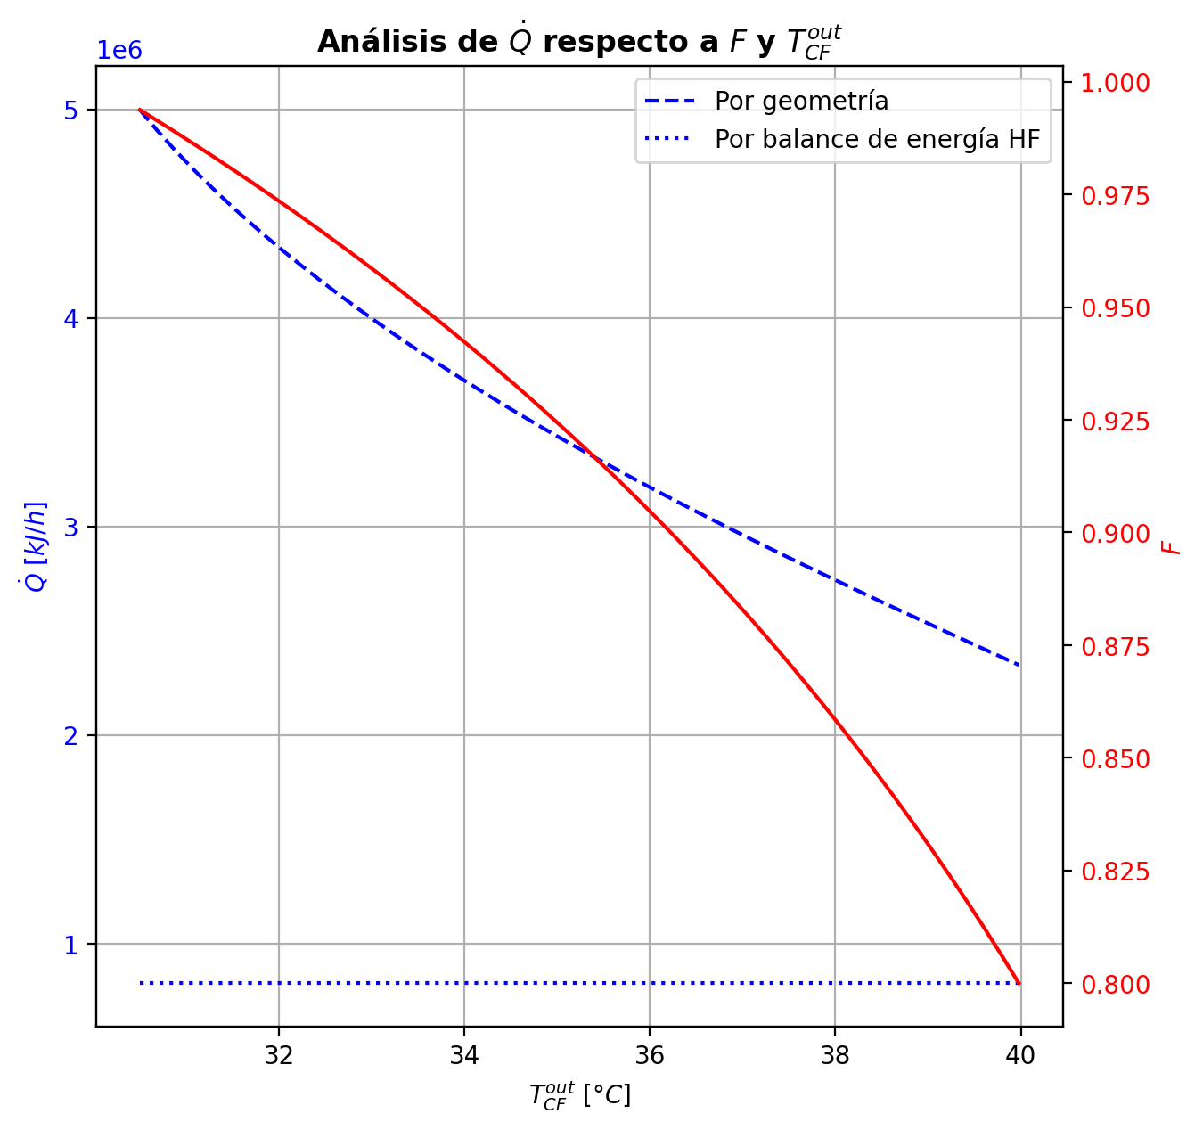
Etapas |  |  |  |  |  |  |  |  |  |  |  |  |  |  |  |  |  |  |  |  |  |  |  |  |  |  |  |  |  |  |  |  |  |  |  |  |  |  |  |  |  |  |  |  |  |  |  |  |  |  |  |  | Real | Simulación T [°C] |  | Ubicación
Ubicación de etapa |  |  |  | Flujos (cumplir balances de matería y energía ME) |  |  |  |  |  | Área R | Transferencia de masa RM |  |  |  |  |  |  |  |  |  |  |  |  |  |  |  |  |  |  | Transferencia de energía RE, cumplir equilibrio Q |  |  |  |  |  |  |  |  |  |  |  |  |  |  |  |  |  | Hidráulica H |  |  |  |  |  | g | l | Etapa | Posición [m]
Zona | s | z top [m] | z lower [m] | Fg [kmol/h] | Fl [kmol/h] | V [kmol/h] | L [kmol/h] | Vb [kmol/h] | Lb [kmol/h] | aefAtrZ [m2] | ya molar en Fg | xa molar en Fl | ya molar en V | yab molar | yaI molar | xaI molar | xab molar | xa molar en L | kbmg [m/h] | kbml [m/h] | Na [kmol/h] | Nw [kmol/h] | Nt [kmol/h] | Jag [kmol/h] | Γg,b≈1 | Ntyab [kmol/h] | Jal [kmol/h] | Γl,b | Ntxab [kmol/h] | Tg en Fg [°C] | Tl en Fl [°C] | Tg [°C] | Tg,b [°C] | TI [°C] | Tl,b [°C] | Tl [°C] | khg [kJ/h·m2·°C] | khl [kJ/h·m2·°C] | E [kJ/h] | Qg [kJ/h] | ΣNiĥig,b [kJ/h] | Ql [kJ/h] | ΣNiĥil,b [kJ/h] | hg en Fg [kJ/kmol] | hl en Fl [kJ/kmol] | hg en V [kJ/kmol] | hl en L [kJ/kmol] | P en Fg [bar] | P en Fl [bar] | P [bar] |  | TT1 [°C] | 199.0349 | - | 197.34390527 | 32 | 10.2497
Rectificación | 2 | 9.6416 | 9.5156 | - | - | 37.28448329 | 27.240092106 | 37.28448329 | 27.240092106 | 10.23955239 | - | - | 0.95993052757 | 0.95993052757 | 0.99975326642 | 0.89989907356 | 0.92000607182 | 0.92000607182 | 4.6277088766 | 0.1509008438 | -3.6178876348 | 0.98192418696 | -2.6359634478 | -1.0875458517 | 1 | -2.5303417831 | -1.1927852577 | 1.0625026538 | -2.4251023771 | - | - | 70.443073712 | 70.443073712 | 42.710609848 | 42.543839018 | 42.543839018 | 95.97070998 | 3816.7281312 | -49316.42083 | 27252.612169 | -76569.032999 | 6517.6687733 | -55834.089604 | - | - | -53270.546253 | -84173.939025 | - | - | 14.7038403 |  | TT2 [°C] | 196.2239 | 197.34930351 | 197.33741555 | 28 | 8.7696
Rectificación | 3 | 9.5156 | 9.3896 | - | - | 34.648519842 | 23.772758668 | 34.648519842 | 23.772758668 | 10.248853299 | - | - | 0.92854258209 | 0.92854258209 | 0.99926662951 | 0.80812511837 | 0.84389126253 | 0.84389126253 | 4.5137302308 | 0.1259253766 | -4.9994268084 | 1.5320933706 | -3.4673334379 | -1.7798600651 | 1 | -3.2195667434 | -2.073374416 | 1.1865757646 | -2.9260523925 | - | - | 86.401144634 | 86.401144634 | 48.344143908 | 48.002639669 | 48.002639669 | 86.028613583 | 3197.8239496 | -116890.38806 | 33554.653561 | -150445.04162 | 11192.469685 | -128082.85775 | - | - | -58746.556035 | -101367.968 | - | - | 14.703855807 |  | TT3 [°C] | 186.8522 | 196.94280366 | 196.65922363 | 22 | 5.5946
Rectificación | 4 | 9.3896 | 9.2636 | - | - | 31.181186404 | 20.04133026 | 31.181186404 | 20.04133026 | 10.232838942 | - | - | 0.87146136517 | 0.87146136517 | 0.99618515837 | 0.64599382591 | 0.69878259386 | 0.69878259386 | 4.3428957616 | 0.10695582108 | -6.0570905832 | 2.3256621744 | -3.7314284087 | -2.8052948881 | 1 | -3.2517956951 | -3.4496333609 | 1.4646996229 | -2.6074572223 | - | - | 108.89829319 | 108.89829319 | 63.216811691 | 62.352081394 | 62.352081394 | 76.658674804 | 2565.2077847 | -263322.10706 | 35834.192809 | -299156.29987 | 22698.615231 | -286020.72229 | - | - | -69027.893057 | -133380.28526 | - | - | 14.703869971 |  | TT4 [°C] | 51.0726 | 179.32438486 | 177.23193884 | 9 | 3.9246
Rectificación | 5 | 9.2636 | 9.1376 | - | - | 27.449757996 | 17.703118406 | 27.449757996 | 17.703118406 | 10.053423894 | - | - | 0.76926392909 | 0.76926392909 | 0.96454049531 | 0.42456696836 | 0.47513123014 | 0.47513123014 | 4.1283137059 | 0.12093559833 | -5.5932283177 | 3.2550164641 | -2.3382118536 | -3.7945262802 | 1 | -1.7987020375 | -4.4822708432 | 1.6651104784 | -1.1109574743 | - | - | 136.72715447 | 136.72715447 | 96.93424611 | 95.12427101 | 95.12427101 | 66.763003248 | 2243.3068 | -519053.7292 | 26708.871644 | -545762.60084 | 40820.213099 | -559873.94231 | - | - | -88004.189616 | -180316.93643 | - | - | 14.703882402 |  | TT5 [°C] | 90.9715 | 70.443073712 | - | 1 | 0
Rectificación | 6 | 9.1376 | 9.0116 | - | - | 25.111546142 | 17.20657962 | 25.111546142 | 17.20657962 | 9.810666403 | - | - | 0.61815709327 | 0.61815709327 | 0.81571547303 | 0.23539833852 | 0.270626407 | 0.270626407 | 4.0100150786 | 0.16590799592 | -3.7547496064 | 3.2582108202 | -0.49653878617 | -3.4478106335 | 1 | -0.30693897275 | -3.6203730986 | 1.3876533908 | -0.13437650763 | - | - | 159.57070038 | 159.57070038 | 135.99264946 | 133.74497869 | 133.74497869 | 60.118691955 | 2240.0162394 | -610149.79608 | 13906.43892 | -624056.235 | 49394.929677 | -659544.72575 | - | - | -116868.44849 | -220980.69206 | - | - | 14.703893278
Rectificación | 7 | 9.0116 | 8.8856 | - | - | 24.615007356 | 17.326665739 | 24.615007356 | 17.326665739 | 9.7200336587 | - | - | 0.47808763955 | 0.47808763955 | 0.60038495679 | 0.13159590844 | 0.1514295243 | 0.1514295243 | 4.0608720152 | 0.19325568957 | -2.0327860687 | 2.1528721874 | 0.12008611863 | -2.0901977578 | 0.99999999999 | 0.057411689 | -2.0509706526 | 1.1900362458 | 0.018184583819 | - | - | 171.74149542 | 171.74149542 | 160.83220893 | 159.38216136 | 159.38216136 | 57.981100999 | 2547.6232193 | -424458.1397 | 6148.2366218 | -430606.37632 | 35907.503865 | -460365.64356 | - | - | -144013.65726 | -243946.53166 | - | - | 14.70390342 |  |  |  | Rectificación | Agotamiento |  | Simbología
Rectificación | 8 | 8.8856 | 8.7596 | - | - | 24.735093475 | 17.443288177 | 24.735093475 | 17.443288177 | 9.7435001888 | - | - | 0.3935843099 | 0.3935843099 | 0.45065962706 | 0.087261725736 | 0.096401824025 | 0.096401824025 | 4.1434553766 | 0.20295682762 | -0.94220395313 | 1.058826392 | 0.11662243884 | -0.98810471525 | 1 | 0.045900762109 | -0.95344656895 | 1.1286820453 | 0.011242615826 | - | - | 177.12072038 | 177.12072038 | 172.61995966 | 171.93541217 | 171.93541217 | 57.697498203 | 2718.4436392 | -211556.58412 | 2530.2177899 | -214086.80191 | 18131.716376 | -229688.3005 | - | - | -160474.64614 | -254443.80389 | - | - | 14.703913645 |  | Transferencia de masa | Na [kmol/h] | -27.655506031 | -8.1349258297 |  | l-v
Rectificación | 9 | 8.7596 | 8.6336 | - | - | 24.851715913 | 17.495873609 | 24.851715913 | 17.495873609 | 9.7687449222 | - | - | 0.35382429016 | 0.35382429016 | 0.37751051264 | 0.069682253951 | 0.073501779951 | 0.073501779951 | 4.1902542432 | 0.2060075745 | -0.39558694521 | 0.44817237719 | 0.052585431979 | -0.41419294835 | 1 | 0.018606003143 | -0.39945206806 | 1.1054657899 | 0.00386512285 | - | - | 179.32438486 | 179.32438486 | 177.51212267 | 177.23193884 | 177.23193884 | 57.716821503 | 2797.8897568 | -89723.95873 | 1021.7913146 | -90745.750045 | 7657.9481817 | -97381.906912 | - | - | -168234.33727 | -258807.34258 | - | - | 14.703924122 |  |  | Nw [kmol/h] | 15.271313214 | 11.790894876 |  | v-l
Rectificación | 10 | 8.6336 | 8.5076 | - | - | 24.904301345 | 17.515649369 | 24.904301345 | 17.515649369 | 9.7814024889 | - | - | 0.33719290819 | 0.33719290819 | 0.34660697952 | 0.062828197422 | 0.064358043722 | 0.064358043722 | 4.2103518923 | 0.20698572083 | -0.15870492419 | 0.17848068351 | 0.019775759318 | -0.16537316999 | 1 | 0.0066682457962 | -0.15997765337 | 1.0957491696 | 0.0012727291828 | - | - | 180.21013205 | 180.21013205 | 179.44732144 | 179.33756039 | 179.33756039 | 57.737130703 | 2831.1093028 | -35661.00605 | 430.79737648 | -36091.803426 | 3039.5272883 | -38700.533338 | - | - | -171481.85995 | -260551.09148 | - | - | 14.703934744 |  |  | Nt [kmol/h] | -12.384192817 | 3.6559690459
Rectificación | 11 | 8.5076 | 8.3816 | - | - | 24.924077105 | 17.521900896 | 24.924077105 | 17.521900896 | 9.7867795256 | - | - | 0.33055783122 | 0.33055783122 | 0.33422794627 | 0.060165222156 | 0.060766952607 | 0.060766952607 | 4.2184057735 | 0.20731049516 | -0.062520406579 | 0.068771933508 | 0.0062515269288 | -0.064586897762 | 1 | 0.0020664911834 | -0.06290029282 | 1.0917974926 | 0.00037988624061 | - | - | 180.58257189 | 180.58257189 | 180.20275147 | 180.16013348 | 180.16013348 | 57.742309358 | 2844.1993661 | -13636.977765 | 214.6407929 | -13851.618558 | 1186.295402 | -14823.273167 | - | - | -172776.5848 | -261236.41299 | - | - | 14.703945428 |  |  | Jag [kmol/h] | -16.669003678 | -9.0697773595
Rectificación | 12 | 8.3816 | 8.2556 | - | - | 24.930328632 | 17.522303974 | 24.930328632 | 17.522303974 | 9.7890047455 | - | - | 0.32796713542 | 0.32796713542 | 0.32936680304 | 0.059131681647 | 0.059366498202 | 0.059366498202 | 4.2217231748 | 0.20740606808 | -0.024514693936 | 0.024917772561 | 0.00040307862528 | -0.024646890478 | 1 | 0.00013219654208 | -0.024538623302 | 1.0902314895 | 2.3929366483E-05 | - | - | 180.76794076 | 180.76794076 | 180.49645167 | 180.4799229 | 180.4799229 | 57.739632508 | 2849.0175628 | -4790.1255839 | 153.44930661 | -4943.5748905 | 460.97163078 | -5251.0972147 | - | - | -173280.26289 | -261503.77662 | - | - | 14.703956137 |  |  | Ntyab [kmol/h] | -10.986502353 | 0.9348515298
Rectificación | 13 | 8.2556 | 8.1296 | - | - | 24.93073171 | 17.519474444 | 24.93073171 | 17.519474444 | 9.789996533 | - | - | 0.32697852061 | 0.32697852061 | 0.32747640697 | 0.058731580422 | 0.058822775138 | 0.058822775138 | 4.2232970564 | 0.20740658247 | -0.0096937216359 | 0.0068641911049 | -0.002829530531 | -0.0087685259288 | 1 | -0.00092519570706 | -0.0095272807976 | 1.0896194961 | -0.00016644083817 | - | - | 180.90044313 | 180.90044313 | 180.61023954 | 180.60384042 | 180.60384042 | 57.731897702 | 2850.4080404 | -1079.0445549 | 164.02163735 | -1243.0661922 | 178.57064469 | -1257.6151996 | - | - | -173469.59869 | -261607.60265 | - | - | 14.703966855 |  |  | Jal [kmol/h] | -18.484746142 | -8.3978235014
Rectificación | 14 | 8.1296 | 8.0036 | - | - | 24.92790218 | 17.513929927 | 24.92790218 | 17.513929927 | 9.7905609968 | - | - | 0.32662676514 | 0.32662676514 | 0.3267506969 | 0.058578259777 | 0.058613385641 | 0.058613385641 | 4.2243378772 | 0.2073536356 | -0.0039933768232 | -0.0015511395293 | -0.0055445163525 | -0.0021823893827 | 1 | -0.0018109874405 | -0.003668393948 | 1.0893832467 | -0.00032498287516 | - | - | 181.04211613 | 181.04211613 | 180.65387558 | 180.65141928 | 180.65141928 | 57.719010677 | 2850.2180278 | 750.00271099 | 219.39531726 | 530.60739373 | 68.543492684 | 681.4592183 | - | - | -173532.57559 | -261647.59852 | - | - | 14.703977579 |  |  | Ntxab [kmol/h] | -9.170759888 | 0.26289767174
Rectificación | 15 | 8.0036 | 7.8776 | - | - | 24.922357663 | 17.505150168 | 24.922357663 | 17.505150168 | 9.7910459493 | - | - | 0.32653919761 | 0.32653919761 | 0.32648351291 | 0.05852185752 | 0.058535007907 | 0.058535007907 | 4.2253842123 | 0.20725404543 | -0.0018866254415 | -0.0068931340965 | -0.008779759538 | 0.00098031019327 | 0.99999999999 | -0.0028669356348 | -0.0013727021475 | 1.0892948 | -0.00051392329398 | - | - | 181.23172842 | 181.23172842 | 180.66995182 | 180.66904203 | 180.66904203 | 57.699319963 | 2849.0536976 | 2034.8622401 | 317.3682145 | 1717.4940256 | 25.378657466 | 2009.4835827 | - | - | -173541.08809 | -261662.58501 | - | - | 14.703988306 |  | Transferencia de energía | E [kJ/h] | -2333463.9313 | -2460952.5013
Rectificación | 16 | 7.8776 | 7.7516 | - | - | 24.913577904 | 17.491862737 | 24.913577904 | 17.491862737 | 9.7916303905 | - | - | 0.32657854604 | 0.32657854604 | 0.32640197509 | 0.058504658255 | 0.05850901956 | 0.05850901956 | 4.2267493754 | 0.20709757942 | -0.0012323644308 | -0.012055066042 | -0.013287430473 | 0.0031070252938 | 1 | -0.0043393897246 | -0.00045492990134 | 1.0892655806 | -0.00077743452947 | - | - | 181.50626826 | 181.50626826 | 180.67487888 | 180.6745923 | 180.6745923 | 57.669851301 | 2846.9754619 | 3389.4814378 | 469.47050957 | 2920.0109283 | 7.9889222652 | 3381.4925156 | - | - | -173520.56863 | -261667.5783 | - | - | 14.703999036 |  |  | Qg [kJ/h] | 148926.15798 | 19787.565538
Agotamiento | 17 | 6.8706 | 6.6046 | - | 34.003290416 | 24.900290473 | 53.864673212 | 24.900290473 | 53.864673212 | 17.332898797 | - | 0.209146 | 0.32670332472 | 0.32670332472 | 0.45144393773 | 0.087462143359 | 0.093322335039 | 0.093322335039 | 4.2287111539 | 0.62132173633 | -3.108306836 | 5.4778268952 | 2.3695200592 | -3.8824369174 | 1 | 0.77413008132 | -3.3294359809 | 1.1263411183 | 0.22112914484 | - | 120.24056118 | 181.91295935 | 181.91295935 | 172.5651638 | 171.6477428 | 171.6477428 | 57.626029633 | 8386.084962 | -1169396.8496 | 9336.8225467 | -1178733.6722 | 133351.87808 | -1302748.7277 | - | -235129.14517 | -173477.04147 | -255113.67657 | - | 18.6326 | 14.704009771 |  |  | ΣNiĥig,b [kJ/h] | -2482390.0893 | -2480740.0669
Agotamiento | 18 | 6.6046 | 6.3386 | - | - | 27.269810533 | 54.513622505 | 27.269810533 | 54.513622505 | 17.649076478 | - | - | 0.18433207822 | 0.18433207822 | 0.2559327202 | 0.044270165354 | 0.048377145905 | 0.048377145905 | 4.7411074287 | 0.65579843616 | -2.3895636105 | 3.0385129037 | 0.6489492932 | -2.5091857824 | 1 | 0.11962217187 | -2.4209579252 | 1.0768946201 | 0.031394314642 | - | - | 189.43639581 | 189.43639581 | 184.74324802 | 184.3871464 | 184.3871464 | 62.313431255 | 9030.8528026 | -622047.68421 | 5161.4043269 | -627209.08853 | 56757.688411 | -678805.37262 | - | - | -201285.79794 | -263487.58062 | - | - | 14.704039877 |  |  | Ql [kJ/h] | 197288.34093 | 247870.03797
Agotamiento | 19 | 6.3386 | 6.0726 | - | - | 27.918759826 | 54.845091813 | 27.918759826 | 54.845091813 | 17.786344795 | - | - | 0.094457535149 | 0.094457535149 | 0.13171598042 | 0.021675442539 | 0.023930401246 | 0.023930401246 | 4.9214088926 | 0.66813173222 | -1.3247484163 | 1.6562177241 | 0.33146930777 | -1.3560581901 | 1 | 0.031309773789 | -1.3326806099 | 1.0430786354 | 0.0079321935354 | - | - | 193.54077815 | 193.54077815 | 191.22757137 | 191.05010965 | 191.05010965 | 63.662231695 | 9412.8788773 | -338741.97146 | 2619.2866099 | -341361.25807 | 29710.767802 | -368452.73926 | - | - | -218887.70472 | -268071.47167 | - | - | 14.704075512 |  |  | ΣNiĥil,b [kJ/h] | -2530752.2723 | -2708822.5393
Agotamiento | 20 | 6.0726 | 5.8066 | - | - | 28.250229133 | 55.007446043 | 28.250229133 | 55.007446043 | 17.863733388 | - | - | 0.046455864659 | 0.046455864659 | 0.064815279782 | 0.010456139232 | 0.011604613075 | 0.011604613075 | 5.015072356 | 0.67262618807 | -0.67412492586 | 0.83647915591 | 0.16235423005 | -0.68166723199 | 1 | 0.0075423061383 | -0.67600898388 | 1.0223886178 | 0.0018840580209 | - | - | 195.54715868 | 195.54715868 | 194.41827475 | 194.33313396 | 194.33313396 | 64.63644438 | 9620.4280713 | -171104.16622 | 1303.4638015 | -172407.63003 | 14632.02061 | -185736.18683 | - | - | -228310.19167 | -270390.82365 | - | - | 14.704112952
Agotamiento | 21 | 5.8066 | 5.5406 | - | - | 28.412583364 | 55.08470378 | 28.412583364 | 55.08470378 | 17.90342282 | - | - | 0.022464127503 | 0.022464127503 | 0.0313349773 | 0.0050156860045 | 0.0055806925171 | 0.0055806925171 | 5.0611108715 | 0.67433419307 | -0.3309293334 | 0.40818706989 | 0.077257736487 | -0.33266486104 | 1 | 0.001735527643 | -0.33136048507 | 1.0111512937 | 0.0004311516719 | - | - | 196.49612611 | 196.49612611 | 195.94826179 | 195.90796785 | 195.90796785 | 65.26120283 | 9726.1868624 | -83487.374325 | 640.12408094 | -84127.498406 | 7016.4649363 | -90503.839262 | - | - | -233027.71556 | -271527.21155 | - | - | 14.704151301 |  | Hidráulica | ΔP [bar] en C-1 | 0.12360193609
Agotamiento | 22 | 5.5406 | 5.2746 | - | - | 28.4898411 | 55.121356711 | 28.4898411 | 55.121356711 | 17.922887013 | - | - | 0.010787514079 | 0.010787514079 | 0.015044423324 | 0.002400423622 | 0.0026740365363 | 0.0026740365363 | 5.0831001342 | 0.67503405318 | -0.16001427241 | 0.19666720421 | 0.036652931799 | -0.16040966643 | 1 | 0.00039539401781 | -0.16011228369 | 1.0054358747 | 9.8011278793E-05 | - | - | 196.94280366 | 196.94280366 | 196.67831865 | 196.65922363 | 196.65922363 | 65.613180165 | 9778.3308649 | -40221.008167 | 311.0284527 | -40532.03662 | 3346.516051 | -43567.524218 | - | - | -235326.22542 | -272076.34063 | - | - | 14.704190089

Agotamiento | 23 | 5.2746 | 5.0086 | - | - | 28.526494032 | 55.13878297 | 28.526494032 | 55.13878297 | 17.932281747 | - | - | 0.0051643321257 | 0.0051643321257 | 0.0072019515649 | 0.001147524914 | 0.0012790781143 | 0.0012790781143 | 5.0935531358 | 0.67534028204 | -0.076869711232 | 0.09429596944 | 0.017426258208 | -0.076959706217 | 1 | 8.9994985094E-05 | -0.076892000777 | 1.0026218377 | 2.2289545488E-05 | - | - | 197.15408147 | 197.15408147 | 197.02668923 | 197.01760906 | 197.01760906 | 65.796374519 | 9803.6265649 | -19283.264994 | 150.30744398 | -19433.572438 | 1596.30651 | -20879.571504 | - | - | -236433.81375 | -272340.07501 | - | - | 14.704229081
Agotamiento | 24 | 5.0086 | 4.7426 | - | - | 28.54392029 | 55.147074734 | 28.54392029 | 55.147074734 | 17.936789618 | - | - | 0.002468146548 | 0.002468146548 | 0.0034424855301 | 0.00054816713948 | 0.0006112082636 | 0.0006112082636 | 5.0985263759 | 0.6754801007 | -0.036820462755 | 0.045112227535 | 0.00829176478 | -0.036840928045 | 1 | 2.0465290619E-05 | -0.03682553075 | 1.0012578533 | 5.0679951534E-06 | - | - | 197.25471691 | 197.25471691 | 197.19305482 | 197.18872599 | 197.18872599 | 65.887663069 | 9815.8005418 | -9223.9263302 | 72.873071183 | -9296.7994013 | 762.14951484 | -9986.075845 | - | - | -236965.034 | -272466.38717 | - | - | 14.704268171
Agotamiento | 25 | 4.7426 | 4.4766 | - | - | 28.552212055 | 55.151002104 | 28.552212055 | 55.151002104 | 17.938947321 | - | - | 0.0011778462388 | 0.0011778462388 | 0.0016435467402 | 0.00026163590884 | 0.00029179859121 | 0.00029179859121 | 5.1008950354 | 0.67554536664 | -0.017613363073 | 0.021540732709 | 0.0039273696358 | -0.01761798891 | 1 | 4.6258375537E-06 | -0.017614509074 | 1.0006016632 | 1.1460009269E-06 | - | - | 197.3031846 | 197.3031846 | 197.2725708 | 197.27050355 | 197.27050355 | 65.932066387 | 9821.6342002 | -4402.0192816 | 36.208531343 | -4438.227813 | 364.22773921 | -4766.2470208 | - | - | -237219.27237 | -272526.80209 | - | - | 14.704307306
Agotamiento | 26 | 4.4766 | 4.2106 | - | - | 28.556139424 | 55.152819346 | 28.556139424 | 55.152819346 | 17.939978733 | - | - | 0.00056088647931 | 0.00056088647931 | 0.00078343121683 | 0.00012469735215 | 0.00013911837212 | 0.00013911837212 | 5.102024559 | 0.67557585624 | -0.0084202142729 | 0.010237456541 | 0.0018172422677 | -0.0084212335394 | 1 | 1.0192666176E-06 | -0.0084204670847 | 1.0002871121 | 2.5281178603E-07 | - | - | 197.32722434 | 197.32722434 | 197.3106194 | 197.30963065 | 197.30963065 | 65.953237679 | 9824.4177234 | -2087.8433718 | 19.64695956 | -2107.4903314 | 174.26652244 | -2262.1098943 | - | - | -237340.80041 | -272555.67815 | - | - | 14.704346463
Agotamiento | 27 | 4.2106 | 3.9446 | - | - | 28.557956667 | 55.15357805 | 28.557956667 | 55.15357805 | 17.94047098 | - | - | 0.00026600426355 | 0.00026600426355 | 0.00037234217088 | 5.9261253624E-05 | 6.6153648136E-05 | 6.6153648136E-05 | 5.1025661241 | 0.67558937755 | -0.0040241600494 | 0.0047828636422 | 0.00075870359278 | -0.0040243618678 | 1 | 2.0181839045E-07 | -0.0040242102404 | 1.0001365873 | 5.0191010516E-08 | - | - | 197.34028888 | 197.34028888 | 197.3288622 | 197.32838827 | 197.32838827 | 65.962918652 | 9825.7312002 | -967.62856586 | 13.522404616 | -981.15097047 | 83.544057686 | -1051.1726235 | - | - | -237398.80658 | -272569.47308 | - | - | 14.70438563
Agotamiento | 28 | 3.9446 | 3.6786 | - | - | 28.55871537 | 55.153739953 | 28.55871537 | 55.153739953 | 17.940704876 | - | - | 0.00012508889619 | 0.00012508889619 | 0.00017589785751 | 2.7994721411E-05 | 3.1288332928E-05 | 3.1288332928E-05 | 5.1028327031 | 0.67559373693 | -0.0019229418179 | 0.0020848443928 | 0.00016190257484 | -0.0019229620701 | 1 | 2.0252214376E-08 | -0.0019229468836 | 1.0000646144 | 5.0656616634E-09 | - | - | 197.34930351 | 197.34930351 | 197.33764362 | 197.33741555 | 197.33741555 | 65.966671552 | 9826.3252252 | -407.40287571 | 13.79934806 | -421.20222377 | 40.20703496 | -447.60991067 | - | - | -237426.38181 | -272576.05963 | - | - | 14.704424803
Agotamiento | 29 | 3.6786 | 3.4126 | - | - | 28.558877273 | 55.153454323 | 28.558877273 | 55.153454323 | 17.94081426 | - | - | 5.7755644541E-05 | 5.7755644541E-05 | 8.2032040494E-05 | 1.3055488191E-05 | 1.4629257691E-05 | 1.4629257691E-05 | 5.1029781412 | 0.67559174355 | -0.00091881448204 | 0.00063318462684 | -0.0002856298552 | -0.00091879798529 | 1 | -1.6496736387E-08 | -0.00091881030348 | 1.0000302143 | -4.1785527559E-09 | - | - | 197.35849791 | 197.35849791 | 197.34190488 | 197.34179425 | 197.34179425 | 65.966872007 | 9826.5463756 | -95.427867153 | 19.637837449 | -115.0657046 | 19.503234325 | -114.93110147 | - | - | -237439.30119 | -272579.20148 | - | - | 14.704463978
Agotamiento | 30 | 3.4126 | 3.1466 | - | - | 28.558591643 | 55.152665743 | 28.558591643 | 55.152665743 | 17.940862292 | - | - | 2.5583260245E-05 | 2.5583260245E-05 | 3.7182398808E-05 | 5.9175828724E-06 | 6.6695439107E-06 | 6.6695439107E-06 | 5.1030838649 | 0.67558317649 | -0.00043901096986 | -0.0003495688625 | -0.00078857983236 | -0.00043899079541 | 1 | -2.0174443075E-08 | -0.00043900571039 | 1.0000137755 | -5.259467819E-09 | - | - | 197.37154085 | 197.37154085 | 197.34400655 | 197.34395203 | 197.34395203 | 65.964108128 | 9826.5378122 | 132.44968674 | 32.585551543 | 99.8641352 | 9.611699756 | 122.83798699 | - | - | -237445.01742 | -272580.69734 | - | - | 14.704503154
Agotamiento | 31 | 3.1466 | 2.8806 | 28.556259519 | - | 28.557803063 | 55.151122199 | 28.557803063 | 55.151122199 | 17.940877706 | 2.8664262908E-06 | - | 1.0211251605E-05 | 1.0211251605E-05 | 1.575331777E-05 | 2.5071361218E-06 | 2.8664262908E-06 | 2.8664262908E-06 | 5.1032029492 | 0.67556516507 | -0.00020975649933 | -0.0013337875027 | -0.001543544002 | -0.00020974073781 | 1 | -1.5761516169E-08 | -0.00020975207487 | 1.0000059205 | -4.4244551084E-09 | 197.73908077 | - | 197.39312231 | 197.39312231 | 197.34507641 | 197.34504869 | 197.34504869 | 65.957679109 | 9826.3277861 | 381.61627316 | 56.85457175 | 324.76170141 | 4.8857652288 | 376.73050793 | -237446.40714 | - | -237446.93615 | -272581.40674 | 14.827442236 | - | 14.704542332

